1a
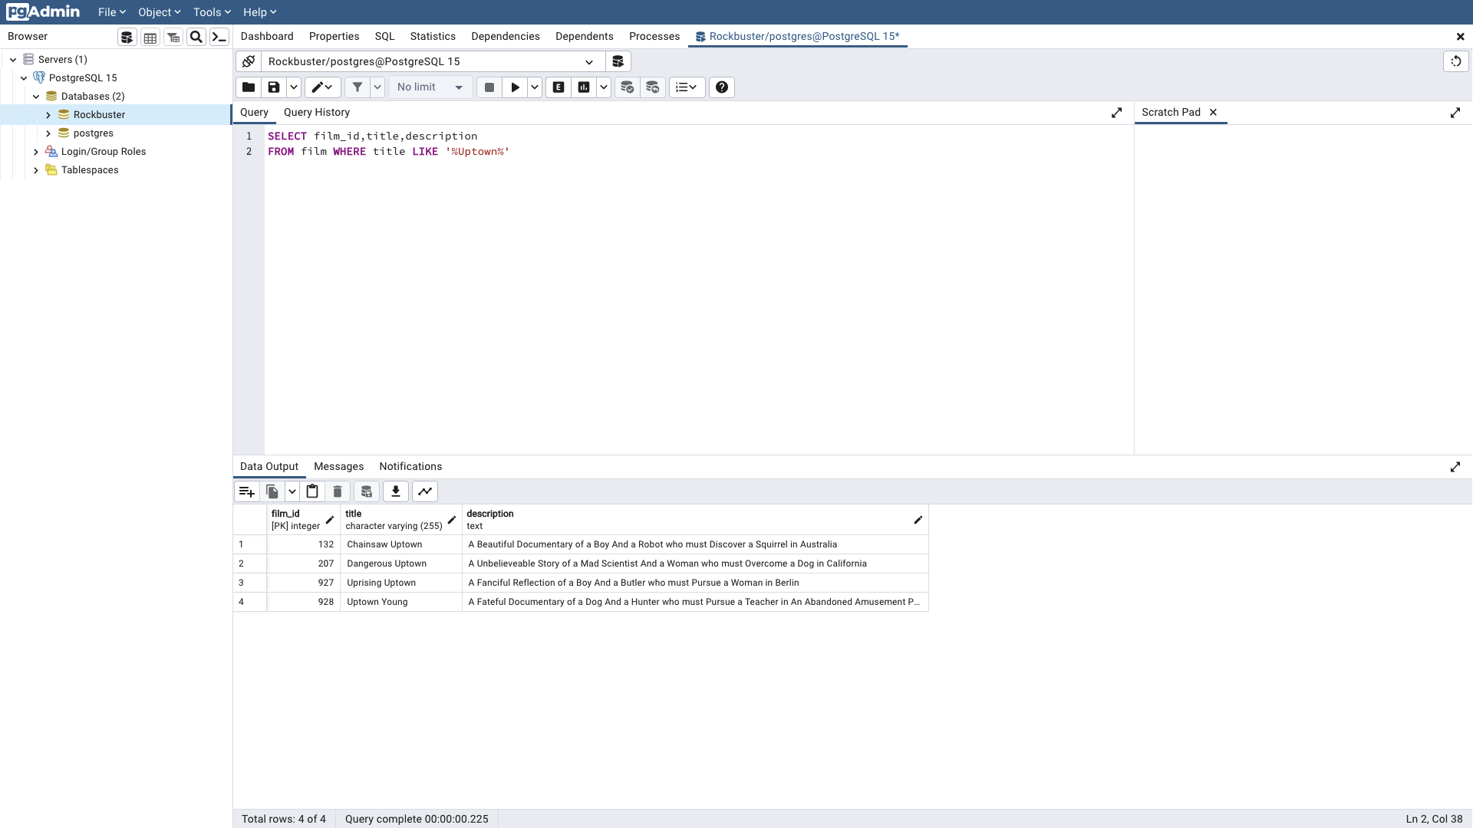
film_id | title | description | Query
132 | Chainsaw Uptown | A Beautiful Documentary of a Boy And a Robot who must Discover a Squirrel in Australia | SELECT film_id,title,description
207 | Dangerous Uptown | A Unbelieveable Story of a Mad Scientist And a Woman who must Overcome a Dog in California | FROM film WHERE title LIKE '%Uptown%'
927 | Uprising Uptown | A Fanciful Reflection of a Boy And a Butler who must Pursue a Woman in Berlin
928 | Uptown Young | A Fateful Documentary of a Dog And a Hunter who must Pursue a Teacher in An Abandoned Amusement Park

1b
film_id | title | description | rental_rate | length | Query
13 | Ali Forever | A Action-Packed Drama of a Dentist And a Crocodile who must Battle a Feminist in The Canadian Rockies | 4.99 | 150 | SELECT film_id,title,description,rental_rate,length
21 | American Circus | A Insightful Drama of a Girl And a Astronaut who must Face a Database Administrator in A Shark Tank | 4.99 | 129 | FROM film WHERE rental_rate >2.99 AND length >120
265 | Dying Maker | A Intrepid Tale of a Boat And a Monkey who must Kill a Cat in California | 4.99 | 168
47 | Baby Hall | A Boring Character Study of a A Shark And a Girl who must Outrace a Feminist in An Abandoned Mine Shaft | 4.99 | 153
126 | Casualties Encino | A Insightful Yarn of a A Shark And a Pastry Chef who must Face a Boy in A Monastery | 4.99 | 179
61 | Beauty Grease | A Fast-Paced Display of a Composer And a Moose who must Sink a Robot in An Abandoned Mine Shaft | 4.99 | 175
68 | Betrayed Rear | A Emotional Character Study of a Boat And a Pioneer who must Find a Explorer in A Shark Tank | 4.99 | 122
70 | Bikini Borrowers | A Astounding Drama of a Astronaut And a Cat who must Discover a Woman in The First Manned Space Station | 4.99 | 142
74 | Birch Antitrust | A Fanciful Panorama of a Husband And a Pioneer who must Outgun a Dog in A Baloon | 4.99 | 162
75 | Bird Independence | A Thrilling Documentary of a Car And a Student who must Sink a Hunter in The Canadian Rockies | 4.99 | 163
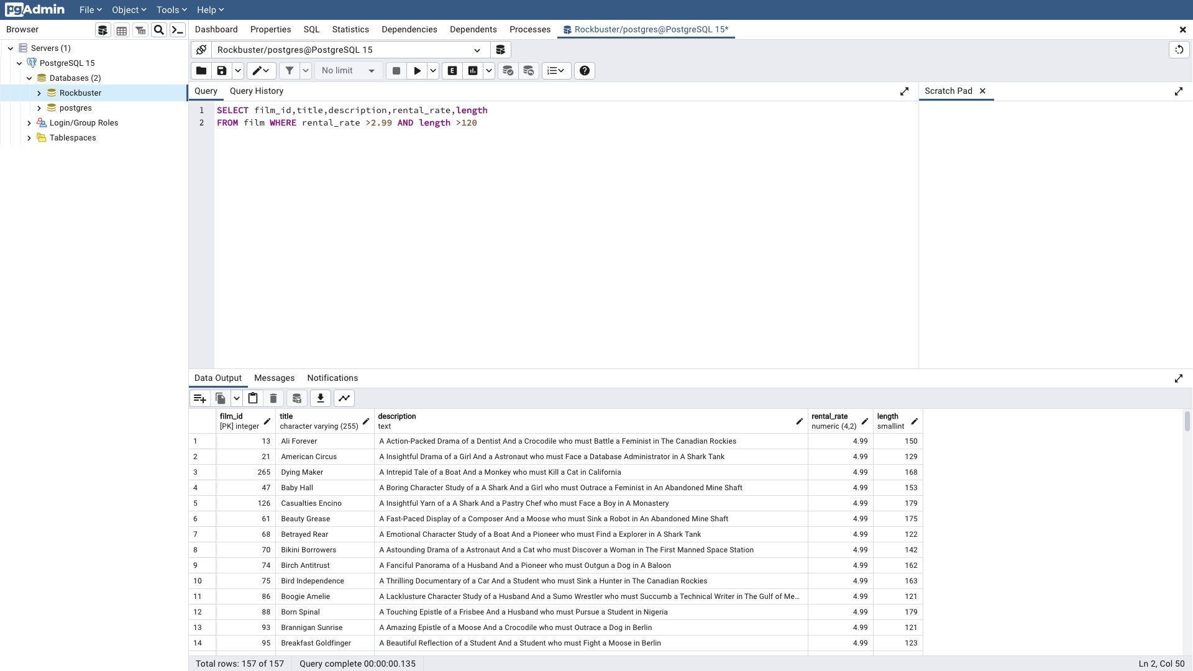
86 | Boogie Amelie | A Lacklusture Character Study of a Husband And a Sumo Wrestler who must Succumb a Technical Writer in The Gulf of Mexico | 4.99 | 121
88 | Born Spinal | A Touching Epistle of a Frisbee And a Husband who must Pursue a Student in Nigeria | 4.99 | 179
93 | Brannigan Sunrise | A Amazing Epistle of a Moose And a Crocodile who must Outrace a Dog in Berlin | 4.99 | 121
95 | Breakfast Goldfinger | A Beautiful Reflection of a Student And a Student who must Fight a Moose in Berlin | 4.99 | 123
100 | Brooklyn Desert | A Beautiful Drama of a Dentist And a Composer who must Battle a Sumo Wrestler in The First Manned Space Station | 4.99 | 161
103 | Bucket Brotherhood | A Amazing Display of a Girl And a Womanizer who must Succumb a Lumberjack in A Baloon Factory | 4.99 | 133
117 | Candles Grapes | A Fanciful Character Study of a Monkey And a Explorer who must Build a Astronaut in An Abandoned Fun House | 4.99 | 135
124 | Casper Dragonfly | A Intrepid Documentary of a Boat And a Crocodile who must Chase a Robot in The Sahara Desert | 4.99 | 163
131 | Center Dinosaur | A Beautiful Character Study of a Sumo Wrestler And a Dentist who must Find a Dog in California | 4.99 | 152
141 | Chicago North | A Fateful Yarn of a Mad Cow And a Waitress who must Battle a Student in California | 4.99 | 185
145 | Chisum Behavior | A Epic Documentary of a Sumo Wrestler And a Butler who must Kill a Car in Ancient India | 4.99 | 124
151 | Cincinatti Whisperer | A Brilliant Saga of a Pastry Chef And a Hunter who must Confront a Butler in Berlin | 4.99 | 143
156 | Clerks Angels | A Thrilling Display of a Sumo Wrestler And a Girl who must Confront a Man in A Baloon | 4.99 | 164
174 | Confidential Interview | A Stunning Reflection of a Cat And a Woman who must Find a Astronaut in Ancient Japan | 4.99 | 180
177 | Connecticut Tramp | A Unbelieveable Drama of a Crocodile And a Mad Cow who must Reach a Dentist in A Shark Tank | 4.99 | 172
179 | Conquerer Nuts | A Taut Drama of a Mad Scientist And a Man who must Escape a Pioneer in An Abandoned Mine Shaft | 4.99 | 173
182 | Control Anthem | A Fateful Documentary of a Robot And a Student who must Battle a Cat in A Monastery | 4.99 | 185
190 | Creepers Kane | A Awe-Inspiring Reflection of a Squirrel And a Boat who must Outrace a Car in A Jet Boat | 4.99 | 172
202 | Daddy Pittsburgh | A Epic Story of a A Shark And a Student who must Confront a Explorer in The Gulf of Mexico | 4.99 | 161
207 | Dangerous Uptown | A Unbelieveable Story of a Mad Scientist And a Woman who must Overcome a Dog in California | 4.99 | 121
210 | Darko Dorado | A Stunning Reflection of a Frisbee And a Husband who must Redeem a Dog in New Orleans | 4.99 | 130
211 | Darling Breaking | A Brilliant Documentary of a Astronaut And a Squirrel who must Succumb a Student in The Gulf of Mexico | 4.99 | 165
212 | Darn Forrester | A Fateful Story of a A Shark And a Explorer who must Succumb a Technical Writer in A Jet Boat | 4.99 | 185
239 | Dogma Family | A Brilliant Character Study of a Database Administrator And a Monkey who must Succumb a Astronaut in New Orleans | 4.99 | 122
244 | Dorado Notting | A Action-Packed Tale of a Sumo Wrestler And a A Shark who must Meet a Frisbee in California | 4.99 | 139
246 | Doubtfire Labyrinth | A Intrepid Panorama of a Butler And a Composer who must Meet a Mad Cow in The Sahara Desert | 4.99 | 154
248 | Dozen Lion | A Taut Drama of a Cat And a Girl who must Defeat a Frisbee in The Canadian Rockies | 4.99 | 177
251 | Dragonfly Strangers | A Boring Documentary of a Pioneer And a Man who must Vanquish a Man in Nigeria | 4.99 | 133
255 | Driving Polish | A Action-Packed Yarn of a Feminist And a Technical Writer who must Sink a Boat in An Abandoned Mine Shaft | 4.99 | 175
256 | Drop Waterfront | A Fanciful Documentary of a Husband And a Explorer who must Reach a Madman in Ancient China | 4.99 | 178
260 | Dude Blindness | A Stunning Reflection of a Husband And a Lumberjack who must Face a Frisbee in An Abandoned Fun House | 4.99 | 132
263 | Durham Panky | A Brilliant Panorama of a Girl And a Boy who must Face a Mad Scientist in An Abandoned Mine Shaft | 4.99 | 154
267 | Eagles Panky | A Thoughtful Story of a Car And a Boy who must Find a A Shark in The Sahara Desert | 4.99 | 140
271 | Easy Gladiator | A Fateful Story of a Monkey And a Girl who must Overcome a Pastry Chef in Ancient India | 4.99 | 148
272 | Edge Kissing | A Beautiful Yarn of a Composer And a Mad Cow who must Redeem a Mad Scientist in A Jet Boat | 4.99 | 153
277 | Elephant Trojan | A Beautiful Panorama of a Lumberjack And a Forensic Psychologist who must Overcome a Frisbee in A Baloon | 4.99 | 126
278 | Elf Murder | A Action-Packed Story of a Frisbee And a Woman who must Reach a Girl in An Abandoned Mine Shaft | 4.99 | 155
279 | Elizabeth Shane | A Lacklusture Display of a Womanizer And a Dog who must Face a Sumo Wrestler in Ancient Japan | 4.99 | 152
294 | Expecations Natural | A Amazing Drama of a Butler And a Husband who must Reach a A Shark in A U-Boat | 4.99 | 138
310 | Fever Empire | A Insightful Panorama of a Cat And a Boat who must Defeat a Boat in The Gulf of Mexico | 4.99 | 158
316 | Fire Wolves | A Intrepid Documentary of a Frisbee And a Dog who must Outrace a Lumberjack in Nigeria | 4.99 | 173
321 | Flash Wars | A Astounding Saga of a Moose And a Pastry Chef who must Chase a Student in The Gulf of Mexico | 4.99 | 123
323 | Flight Lies | A Stunning Character Study of a Crocodile And a Pioneer who must Pursue a Teacher in New Orleans | 4.99 | 179
324 | Flintstones Happiness | A Fateful Story of a Husband And a Moose who must Vanquish a Boy in California | 4.99 | 148
327 | Fool Mockingbird | A Lacklusture Tale of a Crocodile And a Composer who must Defeat a Madman in A U-Boat | 4.99 | 158
340 | Frontier Cabin | A Emotional Story of a Madman And a Waitress who must Battle a Teacher in An Abandoned Fun House | 4.99 | 183
346 | Galaxy Sweethearts | A Emotional Reflection of a Womanizer And a Pioneer who must Face a Squirrel in Berlin | 4.99 | 128
359 | Gladiator Westward | A Astounding Reflection of a Squirrel And a Sumo Wrestler who must Sink a Dentist in Ancient Japan | 4.99 | 173
365 | Gold River | A Taut Documentary of a Database Administrator And a Waitress who must Reach a Mad Scientist in A Baloon Factory | 4.99 | 154
371 | Gosford Donnie | A Epic Panorama of a Mad Scientist And a Monkey who must Redeem a Secret Agent in Berlin | 4.99 | 129
372 | Graceland Dynamite | A Taut Display of a Cat And a Girl who must Overcome a Database Administrator in New Orleans | 4.99 | 140
381 | Grinch Massage | A Intrepid Display of a Madman And a Feminist who must Pursue a Pioneer in The First Manned Space Station | 4.99 | 150
385 | Groundhog Uncut | A Brilliant Panorama of a Astronaut And a Technical Writer who must Discover a Butler in A Manhattan Penthouse | 4.99 | 139
403 | Harry Idaho | A Taut Yarn of a Technical Writer And a Feminist who must Outrace a Dog in California | 4.99 | 121
420 | Holes Brannigan | A Fast-Paced Reflection of a Technical Writer And a Student who must Fight a Boy in The Canadian Rockies | 4.99 | 128
422 | Hollow Jeopardy | A Beautiful Character Study of a Robot And a Astronaut who must Overcome a Boat in A Monastery | 4.99 | 136
426 | Home Pity | A Touching Panorama of a Man And a Secret Agent who must Challenge a Teacher in A MySQL Convention | 4.99 | 185
435 | Hotel Happiness | A Thrilling Yarn of a Pastry Chef And a A Shark who must Challenge a Mad Scientist in The Outback | 4.99 | 181
439 | Hunchback Impossible | A Touching Yarn of a Frisbee And a Dentist who must Fight a Composer in Ancient Japan | 4.99 | 151
446 | Hysterical Grail | A Amazing Saga of a Madman And a Dentist who must Build a Car in A Manhattan Penthouse | 4.99 | 150
451 | Igby Maker | A Epic Documentary of a Hunter And a Dog who must Outgun a Dog in A Baloon Factory | 4.99 | 160
456 | Inch Jet | A Fateful Saga of a Womanizer And a Student who must Defeat a Butler in A Monastery | 4.99 | 167
460 | Innocent Usual | A Beautiful Drama of a Pioneer And a Crocodile who must Challenge a Student in The Outback | 4.99 | 178
472 | Italian African | A Astounding Character Study of a Monkey And a Moose who must Outgun a Cat in A U-Boat | 4.99 | 174
487 | Jingle Sagebrush | A Epic Character Study of a Feminist And a Student who must Meet a Woman in A Baloon | 4.99 | 124
499 | King Evolution | A Action-Packed Tale of a Boy And a Lumberjack who must Chase a Madman in A Baloon | 4.99 | 184
500 | Kiss Glory | A Lacklusture Reflection of a Girl And a Husband who must Find a Robot in The Canadian Rockies | 4.99 | 163
501 | Kissing Dolls | A Insightful Reflection of a Pioneer And a Teacher who must Build a Composer in The First Manned Space Station | 4.99 | 141
508 | Lambs Cincinatti | A Insightful Story of a Man And a Feminist who must Fight a Composer in Australia | 4.99 | 144
510 | Lawless Vision | A Insightful Yarn of a Boy And a Sumo Wrestler who must Outgun a Car in The Outback | 4.99 | 181
518 | Liaisons Sweet | A Boring Drama of a A Shark And a Explorer who must Redeem a Waitress in The Canadian Rockies | 4.99 | 140
521 | Lies Treatment | A Fast-Paced Character Study of a Dentist And a Moose who must Defeat a Composer in The First Manned Space Station | 4.99 | 147
551 | Maiden Home | A Lacklusture Saga of a Moose And a Teacher who must Kill a Forensic Psychologist in A MySQL Convention | 4.99 | 138
556 | Maltese Hope | A Fast-Paced Documentary of a Crocodile And a Sumo Wrestler who must Conquer a Explorer in California | 4.99 | 127
563 | Massacre Usual | A Fateful Reflection of a Waitress And a Crocodile who must Challenge a Forensic Psychologist in California | 4.99 | 165
578 | Million Ace | A Brilliant Documentary of a Womanizer And a Squirrel who must Find a Technical Writer in The Sahara Desert | 4.99 | 142
579 | Minds Truman | A Taut Yarn of a Mad Scientist And a Crocodile who must Outgun a Database Administrator in A Monastery | 4.99 | 149
580 | Mine Titans | A Amazing Yarn of a Robot And a Womanizer who must Discover a Forensic Psychologist in Berlin | 4.99 | 166
583 | Mission Zoolander | A Intrepid Story of a Sumo Wrestler And a Teacher who must Meet a A Shark in An Abandoned Fun House | 4.99 | 164
588 | Model Fish | A Beautiful Panorama of a Boat And a Crocodile who must Outrace a Dog in Australia | 4.99 | 175
591 | Monsoon Cause | A Astounding Tale of a Crocodile And a Car who must Outrace a Squirrel in A U-Boat | 4.99 | 182
596 | Moonshine Cabin | A Thoughtful Display of a Astronaut And a Feminist who must Chase a Frisbee in A Jet Boat | 4.99 | 171
597 | Moonwalker Fool | A Epic Drama of a Feminist And a Pioneer who must Sink a Composer in New Orleans | 4.99 | 184
614 | Name Detective | A Touching Saga of a Sumo Wrestler And a Cat who must Pursue a Mad Scientist in Nigeria | 4.99 | 178
624 | Nightmare Chill | A Brilliant Display of a Robot And a Butler who must Fight a Waitress in An Abandoned Mine Shaft | 4.99 | 149
632 | Nuts Ties | A Thoughtful Drama of a Explorer And a Womanizer who must Meet a Teacher in California | 4.99 | 145
637 | Open African | A Lacklusture Drama of a Secret Agent And a Explorer who must Discover a Car in A U-Boat | 4.99 | 131
648 | Outlaw Hanky | A Thoughtful Story of a Astronaut And a Composer who must Conquer a Dog in The Sahara Desert | 4.99 | 148
661 | Past Suicides | A Intrepid Tale of a Madman And a Astronaut who must Challenge a Hunter in A Monastery | 4.99 | 157
666 | Paycheck Wait | A Awe-Inspiring Reflection of a Boy And a Man who must Discover a Moose in The Sahara Desert | 4.99 | 145
676 | Philadelphia Wife | A Taut Yarn of a Hunter And a Astronaut who must Conquer a Database Administrator in The Sahara Desert | 4.99 | 137
682 | Pittsburgh Hunchback | A Thrilling Epistle of a Boy And a Boat who must Find a Student in Soviet Georgia | 4.99 | 134
685 | Platoon Instinct | A Thrilling Panorama of a Man And a Woman who must Reach a Woman in Australia | 4.99 | 132
691 | Poseidon Forever | A Thoughtful Epistle of a Womanizer And a Monkey who must Vanquish a Dentist in A Monastery | 4.99 | 159
695 | President Bang | A Fateful Panorama of a Technical Writer And a Moose who must Battle a Robot in Soviet Georgia | 4.99 | 144
706 | Queen Luke | A Astounding Story of a Girl And a Boy who must Challenge a Composer in New Orleans | 4.99 | 163
711 | Raging Airplane | A Astounding Display of a Secret Agent And a Technical Writer who must Escape a Mad Scientist in A Jet Boat | 4.99 | 154
715 | Range Moonwalker | A Insightful Documentary of a Hunter And a Dentist who must Confront a Crocodile in A Baloon | 4.99 | 147
719 | Records Zorro | A Amazing Drama of a Mad Scientist And a Composer who must Build a Husband in The Outback | 4.99 | 182
721 | Reds Pocus | A Lacklusture Yarn of a Sumo Wrestler And a Squirrel who must Redeem a Monkey in Soviet Georgia | 4.99 | 182
725 | Requiem Tycoon | A Unbelieveable Character Study of a Cat And a Database Administrator who must Pursue a Teacher in A Monastery | 4.99 | 167
731 | Right Cranes | A Fateful Character Study of a Boat And a Cat who must Find a Database Administrator in A Jet Boat | 4.99 | 153
734 | Road Roxanne | A Boring Character Study of a Waitress And a Astronaut who must Fight a Crocodile in Ancient Japan | 4.99 | 158
739 | Rocky War | A Fast-Paced Display of a Squirrel And a Explorer who must Outgun a Mad Scientist in Nigeria | 4.99 | 145
745 | Roses Treasure | A Astounding Panorama of a Monkey And a Secret Agent who must Defeat a Woman in The First Manned Space Station | 4.99 | 162
749 | Rules Human | A Beautiful Epistle of a Astronaut And a Student who must Confront a Monkey in An Abandoned Fun House | 4.99 | 153
764 | Saturday Lambs | A Thoughtful Reflection of a Mad Scientist And a Moose who must Kill a Husband in A Baloon | 4.99 | 150
765 | Saturn Name | A Fateful Epistle of a Butler And a Boy who must Redeem a Teacher in Berlin | 4.99 | 182
767 | Scalawag Duck | A Fateful Reflection of a Car And a Teacher who must Confront a Waitress in A Monastery | 4.99 | 183
769 | School Jacket | A Intrepid Yarn of a Monkey And a Boy who must Fight a Composer in A Manhattan Penthouse | 4.99 | 151
771 | Scorpion Apollo | A Awe-Inspiring Documentary of a Technical Writer And a Husband who must Meet a Monkey in An Abandoned Fun House | 4.99 | 137
777 | Secretary Rouge | A Action-Packed Panorama of a Mad Cow And a Composer who must Discover a Robot in A Baloon Factory | 4.99 | 158
781 | Seven Swarm | A Unbelieveable Character Study of a Dog And a Mad Cow who must Kill a Monkey in Berlin | 4.99 | 127
791 | Show Lord | A Fanciful Saga of a Student And a Girl who must Find a Butler in Ancient Japan | 4.99 | 167
801 | Sister Freddy | A Stunning Saga of a Butler And a Woman who must Pursue a Explorer in Australia | 4.99 | 152
803 | Slacker Liaisons | A Fast-Paced Tale of a A Shark And a Student who must Meet a Crocodile in Ancient China | 4.99 | 179
804 | Sleeping Suspects | A Stunning Reflection of a Sumo Wrestler And a Explorer who must Sink a Frisbee in A MySQL Convention | 4.99 | 129
817 | Soldiers Evolution | A Lacklusture Panorama of a A Shark And a Pioneer who must Confront a Student in The First Manned Space Station | 4.99 | 185
818 | Something Duck | A Boring Character Study of a Car And a Husband who must Outgun a Frisbee in The First Manned Space Station | 4.99 | 180
826 | Speed Suit | A Brilliant Display of a Frisbee And a Mad Scientist who must Succumb a Robot in Ancient China | 4.99 | 124
827 | Spice Sorority | A Fateful Display of a Pioneer And a Hunter who must Defeat a Husband in An Abandoned Mine Shaft | 4.99 | 141
843 | Steel Santa | A Fast-Paced Yarn of a Composer And a Frisbee who must Face a Moose in Nigeria | 4.99 | 143
844 | Steers Armageddon | A Stunning Character Study of a Car And a Girl who must Succumb a Car in A MySQL Convention | 4.99 | 140
853 | Stranger Strangers | A Awe-Inspiring Yarn of a Womanizer And a Explorer who must Fight a Woman in The First Manned Space Station | 4.99 | 139
858 | Submarine Bed | A Amazing Display of a Car And a Monkey who must Fight a Teacher in Soviet Georgia | 4.99 | 127
865 | Sunrise League | A Beautiful Epistle of a Madman And a Butler who must Face a Crocodile in A Manhattan Penthouse | 4.99 | 135
871 | Sweden Shining | A Taut Documentary of a Car And a Robot who must Conquer a Boy in The Canadian Rockies | 4.99 | 176
879 | Telegraph Voyage | A Fateful Yarn of a Husband And a Dog who must Battle a Waitress in A Jet Boat | 4.99 | 148
887 | Thief Pelican | A Touching Documentary of a Madman And a Mad Scientist who must Outrace a Feminist in An Abandoned Mine Shaft | 4.99 | 135
897 | Torque Bound | A Emotional Display of a Crocodile And a Husband who must Reach a Man in Ancient Japan | 4.99 | 179
898 | Tourist Pelican | A Boring Story of a Butler And a Astronaut who must Outrace a Pioneer in Australia | 4.99 | 152
902 | Trading Pinocchio | A Emotional Character Study of a Student And a Explorer who must Discover a Frisbee in The First Manned Space Station | 4.99 | 170
903 | Traffic Hobbit | A Amazing Epistle of a Squirrel And a Lumberjack who must Succumb a Database Administrator in A U-Boat | 4.99 | 139
905 | Trainspotting Strangers | A Fast-Paced Drama of a Pioneer And a Mad Cow who must Challenge a Madman in Ancient Japan | 4.99 | 132
918 | Twisted Pirates | A Touching Display of a Frisbee And a Boat who must Kill a Girl in A MySQL Convention | 4.99 | 152
929 | Usual Untouchables | A Touching Display of a Explorer And a Lumberjack who must Fight a Forensic Psychologist in A Shark Tank | 4.99 | 128
933 | Vampire Whale | A Epic Story of a Lumberjack And a Monkey who must Confront a Pioneer in A MySQL Convention | 4.99 | 126
934 | Vanilla Day | A Fast-Paced Saga of a Girl And a Forensic Psychologist who must Redeem a Girl in Nigeria | 4.99 | 122
938 | Velvet Terminator | A Lacklusture Tale of a Pastry Chef And a Technical Writer who must Confront a Crocodile in An Abandoned Amusement Park | 4.99 | 173
941 | Videotape Arsenic | A Lacklusture Display of a Girl And a Astronaut who must Succumb a Student in Australia | 4.99 | 145
944 | Virgin Daisy | A Awe-Inspiring Documentary of a Robot And a Mad Scientist who must Reach a Database Administrator in A Shark Tank | 4.99 | 179
946 | Virtual Spoilers | A Fateful Tale of a Database Administrator And a Squirrel who must Discover a Student in Soviet Georgia | 4.99 | 144
950 | Volume House | A Boring Tale of a Dog And a Woman who must Meet a Dentist in California | 4.99 | 132
955 | Walls Artist | A Insightful Panorama of a Teacher And a Teacher who must Overcome a Mad Cow in An Abandoned Fun House | 4.99 | 135
961 | Wash Heavenly | A Awe-Inspiring Reflection of a Cat And a Pioneer who must Escape a Hunter in Ancient China | 4.99 | 161
969 | West Lion | A Intrepid Drama of a Butler And a Lumberjack who must Challenge a Database Administrator in A Manhattan Penthouse | 4.99 | 159
973 | Wife Turn | A Awe-Inspiring Epistle of a Teacher And a Feminist who must Confront a Pioneer in Ancient Japan | 4.99 | 183

1c
film_id | title | description | rental_duration | Query
133 | Chamber Italian | A Fateful Reflection of a Moose And a Husband who must Overcome a Monkey in Nigeria | 7 | SELECT film_id,title,description,rental_duration
384 | Grosse Wonderful | A Epic Drama of a Cat And a Explorer who must Redeem a Moose in Australia | 5 | FROM film WHERE rental_duration BETWEEN 3 AND 7
8 | Airport Pollock | A Epic Tale of a Moose And a Girl who must Confront a Monkey in Ancient India | 6
98 | Bright Encounters | A Fateful Yarn of a Lumberjack And a Feminist who must Conquer a Student in A Jet Boat | 4
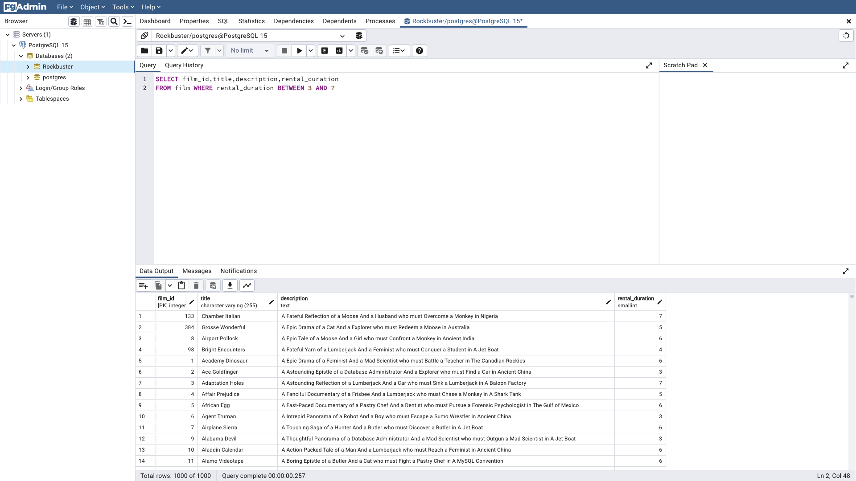
1 | Academy Dinosaur | A Epic Drama of a Feminist And a Mad Scientist who must Battle a Teacher in The Canadian Rockies | 6
2 | Ace Goldfinger | A Astounding Epistle of a Database Administrator And a Explorer who must Find a Car in Ancient China | 3
3 | Adaptation Holes | A Astounding Reflection of a Lumberjack And a Car who must Sink a Lumberjack in A Baloon Factory | 7
4 | Affair Prejudice | A Fanciful Documentary of a Frisbee And a Lumberjack who must Chase a Monkey in A Shark Tank | 5
5 | African Egg | A Fast-Paced Documentary of a Pastry Chef And a Dentist who must Pursue a Forensic Psychologist in The Gulf of Mexico | 6
6 | Agent Truman | A Intrepid Panorama of a Robot And a Boy who must Escape a Sumo Wrestler in Ancient China | 3
7 | Airplane Sierra | A Touching Saga of a Hunter And a Butler who must Discover a Butler in A Jet Boat | 6
9 | Alabama Devil | A Thoughtful Panorama of a Database Administrator And a Mad Scientist who must Outgun a Mad Scientist in A Jet Boat | 3
10 | Aladdin Calendar | A Action-Packed Tale of a Man And a Lumberjack who must Reach a Feminist in Ancient China | 6
11 | Alamo Videotape | A Boring Epistle of a Butler And a Cat who must Fight a Pastry Chef in A MySQL Convention | 6
12 | Alaska Phantom | A Fanciful Saga of a Hunter And a Pastry Chef who must Vanquish a Boy in Australia | 6
213 | Date Speed | A Touching Saga of a Composer And a Moose who must Discover a Dentist in A MySQL Convention | 4
13 | Ali Forever | A Action-Packed Drama of a Dentist And a Crocodile who must Battle a Feminist in The Canadian Rockies | 4
14 | Alice Fantasia | A Emotional Drama of a A Shark And a Database Administrator who must Vanquish a Pioneer in Soviet Georgia | 6
15 | Alien Center | A Brilliant Drama of a Cat And a Mad Scientist who must Battle a Feminist in A MySQL Convention | 5
16 | Alley Evolution | A Fast-Paced Drama of a Robot And a Composer who must Battle a Astronaut in New Orleans | 6
17 | Alone Trip | A Fast-Paced Character Study of a Composer And a Dog who must Outgun a Boat in An Abandoned Fun House | 3
18 | Alter Victory | A Thoughtful Drama of a Composer And a Feminist who must Meet a Secret Agent in The Canadian Rockies | 6
19 | Amadeus Holy | A Emotional Display of a Pioneer And a Technical Writer who must Battle a Man in A Baloon | 6
20 | Amelie Hellfighters | A Boring Drama of a Woman And a Squirrel who must Conquer a Student in A Baloon | 4
21 | American Circus | A Insightful Drama of a Girl And a Astronaut who must Face a Database Administrator in A Shark Tank | 3
22 | Amistad Midsummer | A Emotional Character Study of a Dentist And a Crocodile who must Meet a Sumo Wrestler in California | 6
23 | Anaconda Confessions | A Lacklusture Display of a Dentist And a Dentist who must Fight a Girl in Australia | 3
24 | Analyze Hoosiers | A Thoughtful Display of a Explorer And a Pastry Chef who must Overcome a Feminist in The Sahara Desert | 6
25 | Angels Life | A Thoughtful Display of a Woman And a Astronaut who must Battle a Robot in Berlin | 3
26 | Annie Identity | A Amazing Panorama of a Pastry Chef And a Boat who must Escape a Woman in An Abandoned Amusement Park | 3
27 | Anonymous Human | A Amazing Reflection of a Database Administrator And a Astronaut who must Outrace a Database Administrator in A Shark Tank | 7
28 | Anthem Luke | A Touching Panorama of a Waitress And a Woman who must Outrace a Dog in An Abandoned Amusement Park | 5
29 | Antitrust Tomatoes | A Fateful Yarn of a Womanizer And a Feminist who must Succumb a Database Administrator in Ancient India | 5
30 | Anything Savannah | A Epic Story of a Pastry Chef And a Woman who must Chase a Feminist in An Abandoned Fun House | 4
31 | Apache Divine | A Awe-Inspiring Reflection of a Pastry Chef And a Teacher who must Overcome a Sumo Wrestler in A U-Boat | 5
32 | Apocalypse Flamingos | A Astounding Story of a Dog And a Squirrel who must Defeat a Woman in An Abandoned Amusement Park | 6
33 | Apollo Teen | A Action-Packed Reflection of a Crocodile And a Explorer who must Find a Sumo Wrestler in An Abandoned Mine Shaft | 5
34 | Arabia Dogma | A Touching Epistle of a Madman And a Mad Cow who must Defeat a Student in Nigeria | 6
35 | Arachnophobia Rollercoaster | A Action-Packed Reflection of a Pastry Chef And a Composer who must Discover a Mad Scientist in The First Manned Space Station | 4
36 | Argonauts Town | A Emotional Epistle of a Forensic Psychologist And a Butler who must Challenge a Waitress in An Abandoned Mine Shaft | 7
37 | Arizona Bang | A Brilliant Panorama of a Mad Scientist And a Mad Cow who must Meet a Pioneer in A Monastery | 3
38 | Ark Ridgemont | A Beautiful Yarn of a Pioneer And a Monkey who must Pursue a Explorer in The Sahara Desert | 6
39 | Armageddon Lost | A Fast-Paced Tale of a Boat And a Teacher who must Succumb a Composer in An Abandoned Mine Shaft | 5
40 | Army Flintstones | A Boring Saga of a Database Administrator And a Womanizer who must Battle a Waitress in Nigeria | 4
41 | Arsenic Independence | A Fanciful Documentary of a Mad Cow And a Womanizer who must Find a Dentist in Berlin | 4
42 | Artist Coldblooded | A Stunning Reflection of a Robot And a Moose who must Challenge a Woman in California | 5
265 | Dying Maker | A Intrepid Tale of a Boat And a Monkey who must Kill a Cat in California | 5
43 | Atlantis Cause | A Thrilling Yarn of a Feminist And a Hunter who must Fight a Technical Writer in A Shark Tank | 6
44 | Attacks Hate | A Fast-Paced Panorama of a Technical Writer And a Mad Scientist who must Find a Feminist in An Abandoned Mine Shaft | 5
45 | Attraction Newton | A Astounding Panorama of a Composer And a Frisbee who must Reach a Husband in Ancient Japan | 5
46 | Autumn Crow | A Beautiful Tale of a Dentist And a Mad Cow who must Battle a Moose in The Sahara Desert | 3
47 | Baby Hall | A Boring Character Study of a A Shark And a Girl who must Outrace a Feminist in An Abandoned Mine Shaft | 5
48 | Backlash Undefeated | A Stunning Character Study of a Mad Scientist And a Mad Cow who must Kill a Car in A Monastery | 3
49 | Badman Dawn | A Emotional Panorama of a Pioneer And a Composer who must Escape a Mad Scientist in A Jet Boat | 6
50 | Baked Cleopatra | A Stunning Drama of a Forensic Psychologist And a Husband who must Overcome a Waitress in A Monastery | 3
126 | Casualties Encino | A Insightful Yarn of a A Shark And a Pastry Chef who must Face a Boy in A Monastery | 3
51 | Balloon Homeward | A Insightful Panorama of a Forensic Psychologist And a Mad Cow who must Build a Mad Scientist in The First Manned Space Station | 5
52 | Ballroom Mockingbird | A Thrilling Documentary of a Composer And a Monkey who must Find a Feminist in California | 6
53 | Bang Kwai | A Epic Drama of a Madman And a Cat who must Face a A Shark in An Abandoned Amusement Park | 5
54 | Banger Pinocchio | A Awe-Inspiring Drama of a Car And a Pastry Chef who must Chase a Crocodile in The First Manned Space Station | 5
55 | Barbarella Streetcar | A Awe-Inspiring Story of a Feminist And a Cat who must Conquer a Dog in A Monastery | 6
56 | Barefoot Manchurian | A Intrepid Story of a Cat And a Student who must Vanquish a Girl in An Abandoned Amusement Park | 6
57 | Basic Easy | A Stunning Epistle of a Man And a Husband who must Reach a Mad Scientist in A Jet Boat | 4
58 | Beach Heartbreakers | A Fateful Display of a Womanizer And a Mad Scientist who must Outgun a A Shark in Soviet Georgia | 6
59 | Bear Graceland | A Astounding Saga of a Dog And a Boy who must Kill a Teacher in The First Manned Space Station | 4
60 | Beast Hunchback | A Awe-Inspiring Epistle of a Student And a Squirrel who must Defeat a Boy in Ancient China | 3
61 | Beauty Grease | A Fast-Paced Display of a Composer And a Moose who must Sink a Robot in An Abandoned Mine Shaft | 5
62 | Bed Highball | A Astounding Panorama of a Lumberjack And a Dog who must Redeem a Woman in An Abandoned Fun House | 5
63 | Bedazzled Married | A Astounding Character Study of a Madman And a Robot who must Meet a Mad Scientist in An Abandoned Fun House | 6
64 | Beethoven Exorcist | A Epic Display of a Pioneer And a Student who must Challenge a Butler in The Gulf of Mexico | 6
65 | Behavior Runaway | A Unbelieveable Drama of a Student And a Husband who must Outrace a Sumo Wrestler in Berlin | 3
66 | Beneath Rush | A Astounding Panorama of a Man And a Monkey who must Discover a Man in The First Manned Space Station | 6
67 | Berets Agent | A Taut Saga of a Crocodile And a Boy who must Overcome a Technical Writer in Ancient China | 5
68 | Betrayed Rear | A Emotional Character Study of a Boat And a Pioneer who must Find a Explorer in A Shark Tank | 5
69 | Beverly Outlaw | A Fanciful Documentary of a Womanizer And a Boat who must Defeat a Madman in The First Manned Space Station | 3
70 | Bikini Borrowers | A Astounding Drama of a Astronaut And a Cat who must Discover a Woman in The First Manned Space Station | 7
71 | Bilko Anonymous | A Emotional Reflection of a Teacher And a Man who must Meet a Cat in The First Manned Space Station | 3
72 | Bill Others | A Stunning Saga of a Mad Scientist And a Forensic Psychologist who must Challenge a Squirrel in A MySQL Convention | 6
73 | Bingo Talented | A Touching Tale of a Girl And a Crocodile who must Discover a Waitress in Nigeria | 5
74 | Birch Antitrust | A Fanciful Panorama of a Husband And a Pioneer who must Outgun a Dog in A Baloon | 4
75 | Bird Independence | A Thrilling Documentary of a Car And a Student who must Sink a Hunter in The Canadian Rockies | 6
76 | Birdcage Casper | A Fast-Paced Saga of a Frisbee And a Astronaut who must Overcome a Feminist in Ancient India | 4
77 | Birds Perdition | A Boring Story of a Womanizer And a Pioneer who must Face a Dog in California | 5
78 | Blackout Private | A Intrepid Yarn of a Pastry Chef And a Mad Scientist who must Challenge a Secret Agent in Ancient Japan | 7
79 | Blade Polish | A Thoughtful Character Study of a Frisbee And a Pastry Chef who must Fight a Dentist in The First Manned Space Station | 5
80 | Blanket Beverly | A Emotional Documentary of a Student And a Girl who must Build a Boat in Nigeria | 7
81 | Blindness Gun | A Touching Drama of a Robot And a Dentist who must Meet a Hunter in A Jet Boat | 6
82 | Blood Argonauts | A Boring Drama of a Explorer And a Man who must Kill a Lumberjack in A Manhattan Penthouse | 3
83 | Blues Instinct | A Insightful Documentary of a Boat And a Composer who must Meet a Forensic Psychologist in An Abandoned Fun House | 5
84 | Boiled Dares | A Awe-Inspiring Story of a Waitress And a Dog who must Discover a Dentist in Ancient Japan | 7
85 | Bonnie Holocaust | A Fast-Paced Story of a Crocodile And a Robot who must Find a Moose in Ancient Japan | 4
86 | Boogie Amelie | A Lacklusture Character Study of a Husband And a Sumo Wrestler who must Succumb a Technical Writer in The Gulf of Mexico | 6
87 | Boondock Ballroom | A Fateful Panorama of a Crocodile And a Boy who must Defeat a Monkey in The Gulf of Mexico | 7
88 | Born Spinal | A Touching Epistle of a Frisbee And a Husband who must Pursue a Student in Nigeria | 7
89 | Borrowers Bedazzled | A Brilliant Epistle of a Teacher And a Sumo Wrestler who must Defeat a Man in An Abandoned Fun House | 7
90 | Boulevard Mob | A Fateful Epistle of a Moose And a Monkey who must Confront a Lumberjack in Ancient China | 3
91 | Bound Cheaper | A Thrilling Panorama of a Database Administrator And a Astronaut who must Challenge a Lumberjack in A Baloon | 5
92 | Bowfinger Gables | A Fast-Paced Yarn of a Waitress And a Composer who must Outgun a Dentist in California | 7
93 | Brannigan Sunrise | A Amazing Epistle of a Moose And a Crocodile who must Outrace a Dog in Berlin | 4
94 | Braveheart Human | A Insightful Story of a Dog And a Pastry Chef who must Battle a Girl in Berlin | 7
95 | Breakfast Goldfinger | A Beautiful Reflection of a Student And a Student who must Fight a Moose in Berlin | 5
96 | Breaking Home | A Beautiful Display of a Secret Agent And a Monkey who must Battle a Sumo Wrestler in An Abandoned Mine Shaft | 4
97 | Bride Intrigue | A Epic Tale of a Robot And a Monkey who must Vanquish a Man in New Orleans | 7
99 | Bringing Hysterical | A Fateful Saga of a A Shark And a Technical Writer who must Find a Woman in A Jet Boat | 7
100 | Brooklyn Desert | A Beautiful Drama of a Dentist And a Composer who must Battle a Sumo Wrestler in The First Manned Space Station | 7
101 | Brotherhood Blanket | A Fateful Character Study of a Butler And a Technical Writer who must Sink a Astronaut in Ancient Japan | 3
102 | Bubble Grosse | A Awe-Inspiring Panorama of a Crocodile And a Moose who must Confront a Girl in A Baloon | 4
103 | Bucket Brotherhood | A Amazing Display of a Girl And a Womanizer who must Succumb a Lumberjack in A Baloon Factory | 7
104 | Bugsy Song | A Awe-Inspiring Character Study of a Secret Agent And a Boat who must Find a Squirrel in The First Manned Space Station | 4
105 | Bull Shawshank | A Fanciful Drama of a Moose And a Squirrel who must Conquer a Pioneer in The Canadian Rockies | 6
106 | Bulworth Commandments | A Amazing Display of a Mad Cow And a Pioneer who must Redeem a Sumo Wrestler in The Outback | 4
107 | Bunch Minds | A Emotional Story of a Feminist And a Feminist who must Escape a Pastry Chef in A MySQL Convention | 4
108 | Butch Panther | A Lacklusture Yarn of a Feminist And a Database Administrator who must Face a Hunter in New Orleans | 6
109 | Butterfly Chocolat | A Fateful Story of a Girl And a Composer who must Conquer a Husband in A Shark Tank | 3
110 | Cabin Flash | A Stunning Epistle of a Boat And a Man who must Challenge a A Shark in A Baloon Factory | 4
111 | Caddyshack Jedi | A Awe-Inspiring Epistle of a Woman And a Madman who must Fight a Robot in Soviet Georgia | 3
112 | Calendar Gunfight | A Thrilling Drama of a Frisbee And a Lumberjack who must Sink a Man in Nigeria | 4
113 | California Birds | A Thrilling Yarn of a Database Administrator And a Robot who must Battle a Database Administrator in Ancient India | 4
114 | Camelot Vacation | A Touching Character Study of a Woman And a Waitress who must Battle a Pastry Chef in A MySQL Convention | 3
115 | Campus Remember | A Astounding Drama of a Crocodile And a Mad Cow who must Build a Robot in A Jet Boat | 5
116 | Candidate Perdition | A Brilliant Epistle of a Composer And a Database Administrator who must Vanquish a Mad Scientist in The First Manned Space Station | 4
117 | Candles Grapes | A Fanciful Character Study of a Monkey And a Explorer who must Build a Astronaut in An Abandoned Fun House | 6
118 | Canyon Stock | A Thoughtful Reflection of a Waitress And a Feminist who must Escape a Squirrel in A Manhattan Penthouse | 7
119 | Caper Motions | A Fateful Saga of a Moose And a Car who must Pursue a Woman in A MySQL Convention | 6
120 | Caribbean Liberty | A Fanciful Tale of a Pioneer And a Technical Writer who must Outgun a Pioneer in A Shark Tank | 3
121 | Carol Texas | A Astounding Character Study of a Composer And a Student who must Overcome a Composer in A Monastery | 4
122 | Carrie Bunch | A Amazing Epistle of a Student And a Astronaut who must Discover a Frisbee in The Canadian Rockies | 7
123 | Casablanca Super | A Amazing Panorama of a Crocodile And a Forensic Psychologist who must Pursue a Secret Agent in The First Manned Space Station | 6
124 | Casper Dragonfly | A Intrepid Documentary of a Boat And a Crocodile who must Chase a Robot in The Sahara Desert | 3
125 | Cassidy Wyoming | A Intrepid Drama of a Frisbee And a Hunter who must Kill a Secret Agent in New Orleans | 5
127 | Cat Coneheads | A Fast-Paced Panorama of a Girl And a A Shark who must Confront a Boy in Ancient India | 5
128 | Catch Amistad | A Boring Reflection of a Lumberjack And a Feminist who must Discover a Woman in Nigeria | 7
129 | Cause Date | A Taut Tale of a Explorer And a Pastry Chef who must Conquer a Hunter in A MySQL Convention | 3
130 | Celebrity Horn | A Amazing Documentary of a Secret Agent And a Astronaut who must Vanquish a Hunter in A Shark Tank | 7
131 | Center Dinosaur | A Beautiful Character Study of a Sumo Wrestler And a Dentist who must Find a Dog in California | 5
132 | Chainsaw Uptown | A Beautiful Documentary of a Boy And a Robot who must Discover a Squirrel in Australia | 6
134 | Champion Flatliners | A Amazing Story of a Mad Cow And a Dog who must Kill a Husband in A Monastery | 4
135 | Chance Resurrection | A Astounding Story of a Forensic Psychologist And a Forensic Psychologist who must Overcome a Moose in Ancient China | 3
154 | Clash Freddy | A Amazing Yarn of a Composer And a Squirrel who must Escape a Astronaut in Australia | 6
136 | Chaplin License | A Boring Drama of a Dog And a Forensic Psychologist who must Outrace a Explorer in Ancient India | 7
137 | Charade Duffel | A Action-Packed Display of a Man And a Waitress who must Build a Dog in A MySQL Convention | 3
138 | Chariots Conspiracy | A Unbelieveable Epistle of a Robot And a Husband who must Chase a Robot in The First Manned Space Station | 5
139 | Chasing Fight | A Astounding Saga of a Technical Writer And a Butler who must Battle a Butler in A Shark Tank | 7
140 | Cheaper Clyde | A Emotional Character Study of a Pioneer And a Girl who must Discover a Dog in Ancient Japan | 6
141 | Chicago North | A Fateful Yarn of a Mad Cow And a Waitress who must Battle a Student in California | 6
142 | Chicken Hellfighters | A Emotional Drama of a Dog And a Explorer who must Outrace a Technical Writer in Australia | 3
143 | Chill Luck | A Lacklusture Epistle of a Boat And a Technical Writer who must Fight a A Shark in The Canadian Rockies | 6
144 | Chinatown Gladiator | A Brilliant Panorama of a Technical Writer And a Lumberjack who must Escape a Butler in Ancient India | 7
145 | Chisum Behavior | A Epic Documentary of a Sumo Wrestler And a Butler who must Kill a Car in Ancient India | 5
146 | Chitty Lock | A Boring Epistle of a Boat And a Database Administrator who must Kill a Sumo Wrestler in The First Manned Space Station | 6
147 | Chocolat Harry | A Action-Packed Epistle of a Dentist And a Moose who must Meet a Mad Cow in Ancient Japan | 5
148 | Chocolate Duck | A Unbelieveable Story of a Mad Scientist And a Technical Writer who must Discover a Composer in Ancient China | 3
149 | Christmas Moonshine | A Action-Packed Epistle of a Feminist And a Astronaut who must Conquer a Boat in A Manhattan Penthouse | 7
150 | Cider Desire | A Stunning Character Study of a Composer And a Mad Cow who must Succumb a Cat in Soviet Georgia | 7
151 | Cincinatti Whisperer | A Brilliant Saga of a Pastry Chef And a Hunter who must Confront a Butler in Berlin | 5
152 | Circus Youth | A Thoughtful Drama of a Pastry Chef And a Dentist who must Pursue a Girl in A Baloon | 5
153 | Citizen Shrek | A Fanciful Character Study of a Technical Writer And a Husband who must Redeem a Robot in The Outback | 7
155 | Cleopatra Devil | A Fanciful Documentary of a Crocodile And a Technical Writer who must Fight a A Shark in A Baloon | 6
156 | Clerks Angels | A Thrilling Display of a Sumo Wrestler And a Girl who must Confront a Man in A Baloon | 3
157 | Clockwork Paradise | A Insightful Documentary of a Technical Writer And a Feminist who must Challenge a Cat in A Baloon | 7
158 | Clones Pinocchio | A Amazing Drama of a Car And a Robot who must Pursue a Dentist in New Orleans | 6
159 | Closer Bang | A Unbelieveable Panorama of a Frisbee And a Hunter who must Vanquish a Monkey in Ancient India | 5
160 | Club Graffiti | A Epic Tale of a Pioneer And a Hunter who must Escape a Girl in A U-Boat | 4
161 | Clue Grail | A Taut Tale of a Butler And a Mad Scientist who must Build a Crocodile in Ancient China | 6
162 | Clueless Bucket | A Taut Tale of a Car And a Pioneer who must Conquer a Sumo Wrestler in An Abandoned Fun House | 4
163 | Clyde Theory | A Beautiful Yarn of a Astronaut And a Frisbee who must Overcome a Explorer in A Jet Boat | 4
164 | Coast Rainbow | A Astounding Documentary of a Mad Cow And a Pioneer who must Challenge a Butler in The Sahara Desert | 4
184 | Core Suit | A Unbelieveable Tale of a Car And a Explorer who must Confront a Boat in A Manhattan Penthouse | 3
165 | Coldblooded Darling | A Brilliant Panorama of a Dentist And a Moose who must Find a Student in The Gulf of Mexico | 7
166 | Color Philadelphia | A Thoughtful Panorama of a Car And a Crocodile who must Sink a Monkey in The Sahara Desert | 6
167 | Coma Head | A Awe-Inspiring Drama of a Boy And a Frisbee who must Escape a Pastry Chef in California | 6
168 | Comancheros Enemy | A Boring Saga of a Lumberjack And a Monkey who must Find a Monkey in The Gulf of Mexico | 5
169 | Comforts Rush | A Unbelieveable Panorama of a Pioneer And a Husband who must Meet a Mad Cow in An Abandoned Mine Shaft | 3
170 | Command Darling | A Awe-Inspiring Tale of a Forensic Psychologist And a Woman who must Challenge a Database Administrator in Ancient Japan | 5
171 | Commandments Express | A Fanciful Saga of a Student And a Mad Scientist who must Battle a Hunter in An Abandoned Mine Shaft | 6
172 | Coneheads Smoochy | A Touching Story of a Womanizer And a Composer who must Pursue a Husband in Nigeria | 7
173 | Confessions Maguire | A Insightful Story of a Car And a Boy who must Battle a Technical Writer in A Baloon | 7
174 | Confidential Interview | A Stunning Reflection of a Cat And a Woman who must Find a Astronaut in Ancient Japan | 6
175 | Confused Candles | A Stunning Epistle of a Cat And a Forensic Psychologist who must Confront a Pioneer in A Baloon | 3
176 | Congeniality Quest | A Touching Documentary of a Cat And a Pastry Chef who must Find a Lumberjack in A Baloon | 6
177 | Connecticut Tramp | A Unbelieveable Drama of a Crocodile And a Mad Cow who must Reach a Dentist in A Shark Tank | 4
178 | Connection Microcosmos | A Fateful Documentary of a Crocodile And a Husband who must Face a Husband in The First Manned Space Station | 6
179 | Conquerer Nuts | A Taut Drama of a Mad Scientist And a Man who must Escape a Pioneer in An Abandoned Mine Shaft | 4
180 | Conspiracy Spirit | A Awe-Inspiring Story of a Student And a Frisbee who must Conquer a Crocodile in An Abandoned Mine Shaft | 4
181 | Contact Anonymous | A Insightful Display of a A Shark And a Monkey who must Face a Database Administrator in Ancient India | 7
182 | Control Anthem | A Fateful Documentary of a Robot And a Student who must Battle a Cat in A Monastery | 7
183 | Conversation Downhill | A Taut Character Study of a Husband And a Waitress who must Sink a Squirrel in A MySQL Convention | 4
185 | Cowboy Doom | A Astounding Drama of a Boy And a Lumberjack who must Fight a Butler in A Baloon | 3
186 | Craft Outfield | A Lacklusture Display of a Explorer And a Hunter who must Succumb a Database Administrator in A Baloon Factory | 6
187 | Cranes Reservoir | A Fanciful Documentary of a Teacher And a Dog who must Outgun a Forensic Psychologist in A Baloon Factory | 5
188 | Crazy Home | A Fanciful Panorama of a Boy And a Woman who must Vanquish a Database Administrator in The Outback | 7
189 | Creatures Shakespeare | A Emotional Drama of a Womanizer And a Squirrel who must Vanquish a Crocodile in Ancient India | 3
190 | Creepers Kane | A Awe-Inspiring Reflection of a Squirrel And a Boat who must Outrace a Car in A Jet Boat | 5
191 | Crooked Frogmen | A Unbelieveable Drama of a Hunter And a Database Administrator who must Battle a Crocodile in An Abandoned Amusement Park | 6
192 | Crossing Divorce | A Beautiful Documentary of a Dog And a Robot who must Redeem a Womanizer in Berlin | 4
193 | Crossroads Casualties | A Intrepid Documentary of a Sumo Wrestler And a Astronaut who must Battle a Composer in The Outback | 5
194 | Crow Grease | A Awe-Inspiring Documentary of a Woman And a Husband who must Sink a Database Administrator in The First Manned Space Station | 6
195 | Crowds Telemark | A Intrepid Documentary of a Astronaut And a Forensic Psychologist who must Find a Frisbee in An Abandoned Fun House | 3
196 | Cruelty Unforgiven | A Brilliant Tale of a Car And a Moose who must Battle a Dentist in Nigeria | 7
197 | Crusade Honey | A Fast-Paced Reflection of a Explorer And a Butler who must Battle a Madman in An Abandoned Amusement Park | 4
198 | Crystal Breaking | A Fast-Paced Character Study of a Feminist And a Explorer who must Face a Pastry Chef in Ancient Japan | 6
199 | Cupboard Sinners | A Emotional Reflection of a Frisbee And a Boat who must Reach a Pastry Chef in An Abandoned Amusement Park | 4
200 | Curtain Videotape | A Boring Reflection of a Dentist And a Mad Cow who must Chase a Secret Agent in A Shark Tank | 7
201 | Cyclone Family | A Lacklusture Drama of a Student And a Monkey who must Sink a Womanizer in A MySQL Convention | 7
202 | Daddy Pittsburgh | A Epic Story of a A Shark And a Student who must Confront a Explorer in The Gulf of Mexico | 5
203 | Daisy Menagerie | A Fast-Paced Saga of a Pastry Chef And a Monkey who must Sink a Composer in Ancient India | 5
204 | Dalmations Sweden | A Emotional Epistle of a Moose And a Hunter who must Overcome a Robot in A Manhattan Penthouse | 4
205 | Dances None | A Insightful Reflection of a A Shark And a Dog who must Kill a Butler in An Abandoned Amusement Park | 3
206 | Dancing Fever | A Stunning Story of a Explorer And a Forensic Psychologist who must Face a Crocodile in A Shark Tank | 6
207 | Dangerous Uptown | A Unbelieveable Story of a Mad Scientist And a Woman who must Overcome a Dog in California | 7
208 | Dares Pluto | A Fateful Story of a Robot And a Dentist who must Defeat a Astronaut in New Orleans | 7
209 | Darkness War | A Touching Documentary of a Husband And a Hunter who must Escape a Boy in The Sahara Desert | 6
210 | Darko Dorado | A Stunning Reflection of a Frisbee And a Husband who must Redeem a Dog in New Orleans | 3
211 | Darling Breaking | A Brilliant Documentary of a Astronaut And a Squirrel who must Succumb a Student in The Gulf of Mexico | 7
212 | Darn Forrester | A Fateful Story of a A Shark And a Explorer who must Succumb a Technical Writer in A Jet Boat | 7
214 | Daughter Madigan | A Beautiful Tale of a Hunter And a Mad Scientist who must Confront a Squirrel in The First Manned Space Station | 3
215 | Dawn Pond | A Thoughtful Documentary of a Dentist And a Forensic Psychologist who must Defeat a Waitress in Berlin | 4
216 | Day Unfaithful | A Stunning Documentary of a Composer And a Mad Scientist who must Find a Technical Writer in A U-Boat | 3
217 | Dazed Punk | A Action-Packed Story of a Pioneer And a Technical Writer who must Discover a Forensic Psychologist in An Abandoned Amusement Park | 6
218 | Deceiver Betrayed | A Taut Story of a Moose And a Squirrel who must Build a Husband in Ancient India | 7
219 | Deep Crusade | A Amazing Tale of a Crocodile And a Squirrel who must Discover a Composer in Australia | 6
220 | Deer Virginian | A Thoughtful Story of a Mad Cow And a Womanizer who must Overcome a Mad Scientist in Soviet Georgia | 7
221 | Deliverance Mulholland | A Astounding Saga of a Monkey And a Moose who must Conquer a Butler in A Shark Tank | 4
222 | Desert Poseidon | A Brilliant Documentary of a Butler And a Frisbee who must Build a Astronaut in New Orleans | 4
223 | Desire Alien | A Fast-Paced Tale of a Dog And a Forensic Psychologist who must Meet a Astronaut in The First Manned Space Station | 7
224 | Desperate Trainspotting | A Epic Yarn of a Forensic Psychologist And a Teacher who must Face a Lumberjack in California | 7
225 | Destination Jerk | A Beautiful Yarn of a Teacher And a Cat who must Build a Car in A U-Boat | 3
226 | Destiny Saturday | A Touching Drama of a Crocodile And a Crocodile who must Conquer a Explorer in Soviet Georgia | 4
227 | Details Packer | A Epic Saga of a Waitress And a Composer who must Face a Boat in A U-Boat | 4
228 | Detective Vision | A Fanciful Documentary of a Pioneer And a Woman who must Redeem a Hunter in Ancient Japan | 4
229 | Devil Desire | A Beautiful Reflection of a Monkey And a Dentist who must Face a Database Administrator in Ancient Japan | 6
230 | Diary Panic | A Thoughtful Character Study of a Frisbee And a Mad Cow who must Outgun a Man in Ancient India | 7
231 | Dinosaur Secretary | A Action-Packed Drama of a Feminist And a Girl who must Reach a Robot in The Canadian Rockies | 7
232 | Dirty Ace | A Action-Packed Character Study of a Forensic Psychologist And a Girl who must Build a Dentist in The Outback | 7
233 | Disciple Mother | A Touching Reflection of a Mad Scientist And a Boat who must Face a Moose in A Shark Tank | 3
234 | Disturbing Scarface | A Lacklusture Display of a Crocodile And a Butler who must Overcome a Monkey in A U-Boat | 6
235 | Divide Monster | A Intrepid Saga of a Man And a Forensic Psychologist who must Reach a Squirrel in A Monastery | 6
236 | Divine Resurrection | A Boring Character Study of a Man And a Womanizer who must Succumb a Teacher in An Abandoned Amusement Park | 4
237 | Divorce Shining | A Unbelieveable Saga of a Crocodile And a Student who must Discover a Cat in Ancient India | 3
238 | Doctor Grail | A Insightful Drama of a Womanizer And a Waitress who must Reach a Forensic Psychologist in The Outback | 4
239 | Dogma Family | A Brilliant Character Study of a Database Administrator And a Monkey who must Succumb a Astronaut in New Orleans | 5
240 | Dolls Rage | A Thrilling Display of a Pioneer And a Frisbee who must Escape a Teacher in The Outback | 7
241 | Donnie Alley | A Awe-Inspiring Tale of a Butler And a Frisbee who must Vanquish a Teacher in Ancient Japan | 4
242 | Doom Dancing | A Astounding Panorama of a Car And a Mad Scientist who must Battle a Lumberjack in A MySQL Convention | 4
243 | Doors President | A Awe-Inspiring Display of a Squirrel And a Woman who must Overcome a Boy in The Gulf of Mexico | 3
244 | Dorado Notting | A Action-Packed Tale of a Sumo Wrestler And a A Shark who must Meet a Frisbee in California | 5
245 | Double Wrath | A Thoughtful Yarn of a Womanizer And a Dog who must Challenge a Madman in The Gulf of Mexico | 4
246 | Doubtfire Labyrinth | A Intrepid Panorama of a Butler And a Composer who must Meet a Mad Cow in The Sahara Desert | 5
247 | Downhill Enough | A Emotional Tale of a Pastry Chef And a Forensic Psychologist who must Succumb a Monkey in The Sahara Desert | 3
248 | Dozen Lion | A Taut Drama of a Cat And a Girl who must Defeat a Frisbee in The Canadian Rockies | 6
249 | Dracula Crystal | A Thrilling Reflection of a Feminist And a Cat who must Find a Frisbee in An Abandoned Fun House | 7
250 | Dragon Squad | A Taut Reflection of a Boy And a Waitress who must Outgun a Teacher in Ancient China | 4
251 | Dragonfly Strangers | A Boring Documentary of a Pioneer And a Man who must Vanquish a Man in Nigeria | 6
252 | Dream Pickup | A Epic Display of a Car And a Composer who must Overcome a Forensic Psychologist in The Gulf of Mexico | 6
253 | Drifter Commandments | A Epic Reflection of a Womanizer And a Squirrel who must Discover a Husband in A Jet Boat | 5
254 | Driver Annie | A Lacklusture Character Study of a Butler And a Car who must Redeem a Boat in An Abandoned Fun House | 4
255 | Driving Polish | A Action-Packed Yarn of a Feminist And a Technical Writer who must Sink a Boat in An Abandoned Mine Shaft | 6
256 | Drop Waterfront | A Fanciful Documentary of a Husband And a Explorer who must Reach a Madman in Ancient China | 6
257 | Drumline Cyclone | A Insightful Panorama of a Monkey And a Sumo Wrestler who must Outrace a Mad Scientist in The Canadian Rockies | 3
258 | Drums Dynamite | A Epic Display of a Crocodile And a Crocodile who must Confront a Dog in An Abandoned Amusement Park | 6
259 | Duck Racer | A Lacklusture Yarn of a Teacher And a Squirrel who must Overcome a Dog in A Shark Tank | 4
260 | Dude Blindness | A Stunning Reflection of a Husband And a Lumberjack who must Face a Frisbee in An Abandoned Fun House | 3
261 | Duffel Apocalypse | A Emotional Display of a Boat And a Explorer who must Challenge a Madman in A MySQL Convention | 5
262 | Dumbo Lust | A Touching Display of a Feminist And a Dentist who must Conquer a Husband in The Gulf of Mexico | 5
263 | Durham Panky | A Brilliant Panorama of a Girl And a Boy who must Face a Mad Scientist in An Abandoned Mine Shaft | 6
264 | Dwarfs Alter | A Emotional Yarn of a Girl And a Dog who must Challenge a Composer in Ancient Japan | 6
266 | Dynamite Tarzan | A Intrepid Documentary of a Forensic Psychologist And a Mad Scientist who must Face a Explorer in A U-Boat | 4
267 | Eagles Panky | A Thoughtful Story of a Car And a Boy who must Find a A Shark in The Sahara Desert | 4
268 | Early Home | A Amazing Panorama of a Mad Scientist And a Husband who must Meet a Woman in The Outback | 6
269 | Earring Instinct | A Stunning Character Study of a Dentist And a Mad Cow who must Find a Teacher in Nigeria | 3
270 | Earth Vision | A Stunning Drama of a Butler And a Madman who must Outrace a Womanizer in Ancient India | 7
271 | Easy Gladiator | A Fateful Story of a Monkey And a Girl who must Overcome a Pastry Chef in Ancient India | 5
272 | Edge Kissing | A Beautiful Yarn of a Composer And a Mad Cow who must Redeem a Mad Scientist in A Jet Boat | 5
273 | Effect Gladiator | A Beautiful Display of a Pastry Chef And a Pastry Chef who must Outgun a Forensic Psychologist in A Manhattan Penthouse | 6
274 | Egg Igby | A Beautiful Documentary of a Boat And a Sumo Wrestler who must Succumb a Database Administrator in The First Manned Space Station | 4
275 | Egypt Tenenbaums | A Intrepid Story of a Madman And a Secret Agent who must Outrace a Astronaut in An Abandoned Amusement Park | 3
276 | Element Freddy | A Awe-Inspiring Reflection of a Waitress And a Squirrel who must Kill a Mad Cow in A Jet Boat | 6
277 | Elephant Trojan | A Beautiful Panorama of a Lumberjack And a Forensic Psychologist who must Overcome a Frisbee in A Baloon | 4
278 | Elf Murder | A Action-Packed Story of a Frisbee And a Woman who must Reach a Girl in An Abandoned Mine Shaft | 4
279 | Elizabeth Shane | A Lacklusture Display of a Womanizer And a Dog who must Face a Sumo Wrestler in Ancient Japan | 7
280 | Empire Malkovich | A Amazing Story of a Feminist And a Cat who must Face a Car in An Abandoned Fun House | 7
281 | Encino Elf | A Astounding Drama of a Feminist And a Teacher who must Confront a Husband in A Baloon | 6
282 | Encounters Curtain | A Insightful Epistle of a Pastry Chef And a Womanizer who must Build a Boat in New Orleans | 5
283 | Ending Crowds | A Unbelieveable Display of a Dentist And a Madman who must Vanquish a Squirrel in Berlin | 6
284 | Enemy Odds | A Fanciful Panorama of a Mad Scientist And a Woman who must Pursue a Astronaut in Ancient India | 5
285 | English Bulworth | A Intrepid Epistle of a Pastry Chef And a Pastry Chef who must Pursue a Crocodile in Ancient China | 3
286 | Enough Raging | A Astounding Character Study of a Boat And a Secret Agent who must Find a Mad Cow in The Sahara Desert | 7
287 | Entrapment Satisfaction | A Thoughtful Panorama of a Hunter And a Teacher who must Reach a Mad Cow in A U-Boat | 5
288 | Escape Metropolis | A Taut Yarn of a Astronaut And a Technical Writer who must Outgun a Boat in New Orleans | 7
289 | Eve Resurrection | A Awe-Inspiring Yarn of a Pastry Chef And a Database Administrator who must Challenge a Teacher in A Baloon | 5
290 | Everyone Craft | A Fateful Display of a Waitress And a Dentist who must Reach a Butler in Nigeria | 4
291 | Evolution Alter | A Fanciful Character Study of a Feminist And a Madman who must Find a Explorer in A Baloon Factory | 5
292 | Excitement Eve | A Brilliant Documentary of a Monkey And a Car who must Conquer a Crocodile in A Shark Tank | 3
293 | Exorcist Sting | A Touching Drama of a Dog And a Sumo Wrestler who must Conquer a Mad Scientist in Berlin | 6
294 | Expecations Natural | A Amazing Drama of a Butler And a Husband who must Reach a A Shark in A U-Boat | 5
295 | Expendable Stallion | A Amazing Character Study of a Mad Cow And a Squirrel who must Discover a Hunter in A U-Boat | 3
296 | Express Lonely | A Boring Drama of a Astronaut And a Boat who must Face a Boat in California | 5
297 | Extraordinary Conquerer | A Stunning Story of a Dog And a Feminist who must Face a Forensic Psychologist in Berlin | 6
298 | Eyes Driving | A Thrilling Story of a Cat And a Waitress who must Fight a Explorer in The Outback | 4
299 | Factory Dragon | A Action-Packed Saga of a Teacher And a Frisbee who must Escape a Lumberjack in The Sahara Desert | 4
300 | Falcon Volume | A Fateful Saga of a Sumo Wrestler And a Hunter who must Redeem a A Shark in New Orleans | 5
301 | Family Sweet | A Epic Documentary of a Teacher And a Boy who must Escape a Woman in Berlin | 4
302 | Fantasia Park | A Thoughtful Documentary of a Mad Scientist And a A Shark who must Outrace a Feminist in Australia | 5
303 | Fantasy Troopers | A Touching Saga of a Teacher And a Monkey who must Overcome a Secret Agent in A MySQL Convention | 6
304 | Fargo Gandhi | A Thrilling Reflection of a Pastry Chef And a Crocodile who must Reach a Teacher in The Outback | 3
305 | Fatal Haunted | A Beautiful Drama of a Student And a Secret Agent who must Confront a Dentist in Ancient Japan | 6
306 | Feathers Metal | A Thoughtful Yarn of a Monkey And a Teacher who must Find a Dog in Australia | 3
307 | Fellowship Autumn | A Lacklusture Reflection of a Dentist And a Hunter who must Meet a Teacher in A Baloon | 6
308 | Ferris Mother | A Touching Display of a Frisbee And a Frisbee who must Kill a Girl in The Gulf of Mexico | 3
309 | Feud Frogmen | A Brilliant Reflection of a Database Administrator And a Mad Cow who must Chase a Woman in The Canadian Rockies | 6
310 | Fever Empire | A Insightful Panorama of a Cat And a Boat who must Defeat a Boat in The Gulf of Mexico | 5
311 | Fiction Christmas | A Emotional Yarn of a A Shark And a Student who must Battle a Robot in An Abandoned Mine Shaft | 4
312 | Fiddler Lost | A Boring Tale of a Squirrel And a Dog who must Challenge a Madman in The Gulf of Mexico | 4
313 | Fidelity Devil | A Awe-Inspiring Drama of a Technical Writer And a Composer who must Reach a Pastry Chef in A U-Boat | 5
314 | Fight Jawbreaker | A Intrepid Panorama of a Womanizer And a Girl who must Escape a Girl in A Manhattan Penthouse | 3
315 | Finding Anaconda | A Fateful Tale of a Database Administrator And a Girl who must Battle a Squirrel in New Orleans | 4
316 | Fire Wolves | A Intrepid Documentary of a Frisbee And a Dog who must Outrace a Lumberjack in Nigeria | 5
317 | Fireball Philadelphia | A Amazing Yarn of a Dentist And a A Shark who must Vanquish a Madman in An Abandoned Mine Shaft | 4
318 | Firehouse Vietnam | A Awe-Inspiring Character Study of a Boat And a Boy who must Kill a Pastry Chef in The Sahara Desert | 7
319 | Fish Opus | A Touching Display of a Feminist And a Girl who must Confront a Astronaut in Australia | 4
320 | Flamingos Connecticut | A Fast-Paced Reflection of a Composer And a Composer who must Meet a Cat in The Sahara Desert | 4
321 | Flash Wars | A Astounding Saga of a Moose And a Pastry Chef who must Chase a Student in The Gulf of Mexico | 3
322 | Flatliners Killer | A Taut Display of a Secret Agent And a Waitress who must Sink a Robot in An Abandoned Mine Shaft | 5
323 | Flight Lies | A Stunning Character Study of a Crocodile And a Pioneer who must Pursue a Teacher in New Orleans | 7
324 | Flintstones Happiness | A Fateful Story of a Husband And a Moose who must Vanquish a Boy in California | 3
325 | Floats Garden | A Action-Packed Epistle of a Robot And a Car who must Chase a Boat in Ancient Japan | 6
326 | Flying Hook | A Thrilling Display of a Mad Cow And a Dog who must Challenge a Frisbee in Nigeria | 6
327 | Fool Mockingbird | A Lacklusture Tale of a Crocodile And a Composer who must Defeat a Madman in A U-Boat | 3
328 | Forever Candidate | A Unbelieveable Panorama of a Technical Writer And a Man who must Pursue a Frisbee in A U-Boat | 7
329 | Forrest Sons | A Thrilling Documentary of a Forensic Psychologist And a Butler who must Defeat a Explorer in A Jet Boat | 4
330 | Forrester Comancheros | A Fateful Tale of a Squirrel And a Forensic Psychologist who must Redeem a Man in Nigeria | 7
331 | Forward Temple | A Astounding Display of a Forensic Psychologist And a Mad Scientist who must Challenge a Girl in New Orleans | 6
332 | Frankenstein Stranger | A Insightful Character Study of a Feminist And a Pioneer who must Pursue a Pastry Chef in Nigeria | 7
333 | Freaky Pocus | A Fast-Paced Documentary of a Pastry Chef And a Crocodile who must Chase a Squirrel in The Gulf of Mexico | 7
334 | Freddy Storm | A Intrepid Saga of a Man And a Lumberjack who must Vanquish a Husband in The Outback | 6
335 | Freedom Cleopatra | A Emotional Reflection of a Dentist And a Mad Cow who must Face a Squirrel in A Baloon | 5
336 | French Holiday | A Thrilling Epistle of a Dog And a Feminist who must Kill a Madman in Berlin | 5
337 | Frida Slipper | A Fateful Story of a Lumberjack And a Car who must Escape a Boat in An Abandoned Mine Shaft | 6
338 | Frisco Forrest | A Beautiful Documentary of a Woman And a Pioneer who must Pursue a Mad Scientist in A Shark Tank | 6
339 | Frogmen Breaking | A Unbelieveable Yarn of a Mad Scientist And a Cat who must Chase a Lumberjack in Australia | 5
340 | Frontier Cabin | A Emotional Story of a Madman And a Waitress who must Battle a Teacher in An Abandoned Fun House | 6
341 | Frost Head | A Amazing Reflection of a Lumberjack And a Cat who must Discover a Husband in A MySQL Convention | 5
342 | Fugitive Maguire | A Taut Epistle of a Feminist And a Sumo Wrestler who must Battle a Crocodile in Australia | 7
343 | Full Flatliners | A Beautiful Documentary of a Astronaut And a Moose who must Pursue a Monkey in A Shark Tank | 6
344 | Fury Murder | A Lacklusture Reflection of a Boat And a Forensic Psychologist who must Fight a Waitress in A Monastery | 3
345 | Gables Metropolis | A Fateful Display of a Cat And a Pioneer who must Challenge a Pastry Chef in A Baloon Factory | 3
346 | Galaxy Sweethearts | A Emotional Reflection of a Womanizer And a Pioneer who must Face a Squirrel in Berlin | 4
347 | Games Bowfinger | A Astounding Documentary of a Butler And a Explorer who must Challenge a Butler in A Monastery | 7
348 | Gandhi Kwai | A Thoughtful Display of a Mad Scientist And a Secret Agent who must Chase a Boat in Berlin | 7
349 | Gangs Pride | A Taut Character Study of a Woman And a A Shark who must Confront a Frisbee in Berlin | 4
350 | Garden Island | A Unbelieveable Character Study of a Womanizer And a Madman who must Reach a Man in The Outback | 3
351 | Gaslight Crusade | A Amazing Epistle of a Boy And a Astronaut who must Redeem a Man in The Gulf of Mexico | 4
352 | Gathering Calendar | A Intrepid Tale of a Pioneer And a Moose who must Conquer a Frisbee in A MySQL Convention | 4
353 | Gentlemen Stage | A Awe-Inspiring Reflection of a Monkey And a Student who must Overcome a Dentist in The First Manned Space Station | 6
354 | Ghost Groundhog | A Brilliant Panorama of a Madman And a Composer who must Succumb a Car in Ancient India | 6
355 | Ghostbusters Elf | A Thoughtful Epistle of a Dog And a Feminist who must Chase a Composer in Berlin | 7
356 | Giant Troopers | A Fateful Display of a Feminist And a Monkey who must Vanquish a Monkey in The Canadian Rockies | 5
357 | Gilbert Pelican | A Fateful Tale of a Man And a Feminist who must Conquer a Crocodile in A Manhattan Penthouse | 7
358 | Gilmore Boiled | A Unbelieveable Documentary of a Boat And a Husband who must Succumb a Student in A U-Boat | 5
359 | Gladiator Westward | A Astounding Reflection of a Squirrel And a Sumo Wrestler who must Sink a Dentist in Ancient Japan | 6
360 | Glass Dying | A Astounding Drama of a Frisbee And a Astronaut who must Fight a Dog in Ancient Japan | 4
361 | Gleaming Jawbreaker | A Amazing Display of a Composer And a Forensic Psychologist who must Discover a Car in The Canadian Rockies | 5
362 | Glory Tracy | A Amazing Saga of a Woman And a Womanizer who must Discover a Cat in The First Manned Space Station | 7
363 | Go Purple | A Fast-Paced Display of a Car And a Database Administrator who must Battle a Woman in A Baloon | 3
364 | Godfather Diary | A Stunning Saga of a Lumberjack And a Squirrel who must Chase a Car in The Outback | 3
365 | Gold River | A Taut Documentary of a Database Administrator And a Waitress who must Reach a Mad Scientist in A Baloon Factory | 4
366 | Goldfinger Sensibility | A Insightful Drama of a Mad Scientist And a Hunter who must Defeat a Pastry Chef in New Orleans | 3
367 | Goldmine Tycoon | A Brilliant Epistle of a Composer And a Frisbee who must Conquer a Husband in The Outback | 6
368 | Gone Trouble | A Insightful Character Study of a Mad Cow And a Forensic Psychologist who must Conquer a A Shark in A Manhattan Penthouse | 7
369 | Goodfellas Salute | A Unbelieveable Tale of a Dog And a Explorer who must Sink a Mad Cow in A Baloon Factory | 4
370 | Gorgeous Bingo | A Action-Packed Display of a Sumo Wrestler And a Car who must Overcome a Waitress in A Baloon Factory | 4
371 | Gosford Donnie | A Epic Panorama of a Mad Scientist And a Monkey who must Redeem a Secret Agent in Berlin | 5
372 | Graceland Dynamite | A Taut Display of a Cat And a Girl who must Overcome a Database Administrator in New Orleans | 5
373 | Graduate Lord | A Lacklusture Epistle of a Girl And a A Shark who must Meet a Mad Scientist in Ancient China | 7
374 | Graffiti Love | A Unbelieveable Epistle of a Sumo Wrestler And a Hunter who must Build a Composer in Berlin | 3
375 | Grail Frankenstein | A Unbelieveable Saga of a Teacher And a Monkey who must Fight a Girl in An Abandoned Mine Shaft | 4
376 | Grapes Fury | A Boring Yarn of a Mad Cow And a Sumo Wrestler who must Meet a Robot in Australia | 4
377 | Grease Youth | A Emotional Panorama of a Secret Agent And a Waitress who must Escape a Composer in Soviet Georgia | 7
378 | Greatest North | A Astounding Character Study of a Secret Agent And a Robot who must Build a A Shark in Berlin | 5
379 | Greedy Roots | A Amazing Reflection of a A Shark And a Butler who must Chase a Hunter in The Canadian Rockies | 7
380 | Greek Everyone | A Stunning Display of a Butler And a Teacher who must Confront a A Shark in The First Manned Space Station | 7
381 | Grinch Massage | A Intrepid Display of a Madman And a Feminist who must Pursue a Pioneer in The First Manned Space Station | 7
382 | Grit Clockwork | A Thoughtful Display of a Dentist And a Squirrel who must Confront a Lumberjack in A Shark Tank | 3
383 | Groove Fiction | A Unbelieveable Reflection of a Moose And a A Shark who must Defeat a Lumberjack in An Abandoned Mine Shaft | 6
385 | Groundhog Uncut | A Brilliant Panorama of a Astronaut And a Technical Writer who must Discover a Butler in A Manhattan Penthouse | 6
386 | Gump Date | A Intrepid Yarn of a Explorer And a Student who must Kill a Husband in An Abandoned Mine Shaft | 3
387 | Gun Bonnie | A Boring Display of a Sumo Wrestler And a Husband who must Build a Waitress in The Gulf of Mexico | 7
388 | Gunfight Moon | A Epic Reflection of a Pastry Chef And a Explorer who must Reach a Dentist in The Sahara Desert | 5
389 | Gunfighter Mussolini | A Touching Saga of a Robot And a Boy who must Kill a Man in Ancient Japan | 3
390 | Guys Falcon | A Boring Story of a Woman And a Feminist who must Redeem a Squirrel in A U-Boat | 4
391 | Half Outfield | A Epic Epistle of a Database Administrator And a Crocodile who must Face a Madman in A Jet Boat | 6
392 | Hall Cassidy | A Beautiful Panorama of a Pastry Chef And a A Shark who must Battle a Pioneer in Soviet Georgia | 5
393 | Halloween Nuts | A Amazing Panorama of a Forensic Psychologist And a Technical Writer who must Fight a Dentist in A U-Boat | 6
394 | Hamlet Wisdom | A Touching Reflection of a Man And a Man who must Sink a Robot in The Outback | 7
449 | Identity Lover | A Boring Tale of a Composer And a Mad Cow who must Defeat a Car in The Outback | 4
395 | Handicap Boondock | A Beautiful Display of a Pioneer And a Squirrel who must Vanquish a Sumo Wrestler in Soviet Georgia | 4
396 | Hanging Deep | A Action-Packed Yarn of a Boat And a Crocodile who must Build a Monkey in Berlin | 5
397 | Hanky October | A Boring Epistle of a Database Administrator And a Explorer who must Pursue a Madman in Soviet Georgia | 5
398 | Hanover Galaxy | A Stunning Reflection of a Girl And a Secret Agent who must Succumb a Boy in A MySQL Convention | 5
399 | Happiness United | A Action-Packed Panorama of a Husband And a Feminist who must Meet a Forensic Psychologist in Ancient Japan | 6
400 | Hardly Robbers | A Emotional Character Study of a Hunter And a Car who must Kill a Woman in Berlin | 7
401 | Harold French | A Stunning Saga of a Sumo Wrestler And a Student who must Outrace a Moose in The Sahara Desert | 6
402 | Harper Dying | A Awe-Inspiring Reflection of a Woman And a Cat who must Confront a Feminist in The Sahara Desert | 3
403 | Harry Idaho | A Taut Yarn of a Technical Writer And a Feminist who must Outrace a Dog in California | 5
404 | Hate Handicap | A Intrepid Reflection of a Mad Scientist And a Pioneer who must Overcome a Hunter in The First Manned Space Station | 4
405 | Haunted Antitrust | A Amazing Saga of a Man And a Dentist who must Reach a Technical Writer in Ancient India | 6
406 | Haunting Pianist | A Fast-Paced Story of a Database Administrator And a Composer who must Defeat a Squirrel in An Abandoned Amusement Park | 5
407 | Hawk Chill | A Action-Packed Drama of a Mad Scientist And a Composer who must Outgun a Car in Australia | 5
408 | Head Stranger | A Thoughtful Saga of a Hunter And a Crocodile who must Confront a Dog in The Gulf of Mexico | 4
409 | Heartbreakers Bright | A Awe-Inspiring Documentary of a A Shark And a Dentist who must Outrace a Pastry Chef in The Canadian Rockies | 3
410 | Heaven Freedom | A Intrepid Story of a Butler And a Car who must Vanquish a Man in New Orleans | 7
411 | Heavenly Gun | A Beautiful Yarn of a Forensic Psychologist And a Frisbee who must Battle a Moose in A Jet Boat | 5
...

1d
film_id | title | description | replacement_cost | Query
98 | Bright Encounters | A Fateful Yarn of a Lumberjack And a Feminist who must Conquer a Student in A Jet Boat | 12.99 | SELECT film_id,title,description,replacement_cost
2 | Ace Goldfinger | A Astounding Epistle of a Database Administrator And a Explorer who must Find a Car in Ancient China | 12.99 | FROM film WHERE replacement_cost <14.99
15 | Alien Center | A Brilliant Drama of a Cat And a Mad Scientist who must Battle a Feminist in A MySQL Convention | 10.99
22 | Amistad Midsummer | A Emotional Character Study of a Dentist And a Crocodile who must Meet a Sumo Wrestler in California | 10.99
23 | Anaconda Confessions | A Lacklusture Display of a Dentist And a Dentist who must Fight a Girl in Australia | 9.99
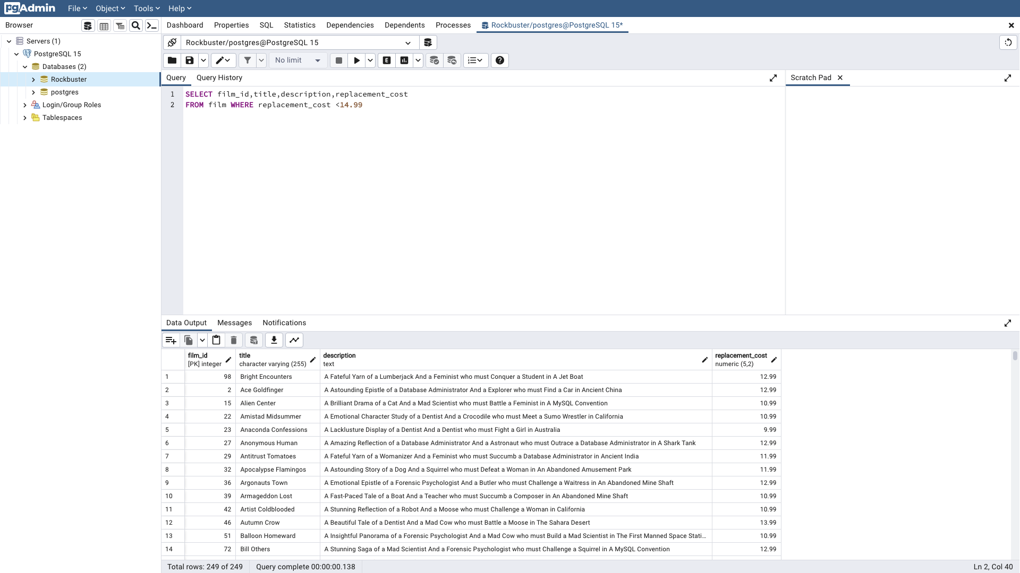
27 | Anonymous Human | A Amazing Reflection of a Database Administrator And a Astronaut who must Outrace a Database Administrator in A Shark Tank | 12.99
29 | Antitrust Tomatoes | A Fateful Yarn of a Womanizer And a Feminist who must Succumb a Database Administrator in Ancient India | 11.99
32 | Apocalypse Flamingos | A Astounding Story of a Dog And a Squirrel who must Defeat a Woman in An Abandoned Amusement Park | 11.99
36 | Argonauts Town | A Emotional Epistle of a Forensic Psychologist And a Butler who must Challenge a Waitress in An Abandoned Mine Shaft | 12.99
39 | Armageddon Lost | A Fast-Paced Tale of a Boat And a Teacher who must Succumb a Composer in An Abandoned Mine Shaft | 10.99
42 | Artist Coldblooded | A Stunning Reflection of a Robot And a Moose who must Challenge a Woman in California | 10.99
46 | Autumn Crow | A Beautiful Tale of a Dentist And a Mad Cow who must Battle a Moose in The Sahara Desert | 13.99
51 | Balloon Homeward | A Insightful Panorama of a Forensic Psychologist And a Mad Cow who must Build a Mad Scientist in The First Manned Space Station | 10.99
72 | Bill Others | A Stunning Saga of a Mad Scientist And a Forensic Psychologist who must Challenge a Squirrel in A MySQL Convention | 12.99
78 | Blackout Private | A Intrepid Yarn of a Pastry Chef And a Mad Scientist who must Challenge a Secret Agent in Ancient Japan | 12.99
79 | Blade Polish | A Thoughtful Character Study of a Frisbee And a Pastry Chef who must Fight a Dentist in The First Manned Space Station | 10.99
82 | Blood Argonauts | A Boring Drama of a Explorer And a Man who must Kill a Lumberjack in A Manhattan Penthouse | 13.99
84 | Boiled Dares | A Awe-Inspiring Story of a Waitress And a Dog who must Discover a Dentist in Ancient Japan | 13.99
86 | Boogie Amelie | A Lacklusture Character Study of a Husband And a Sumo Wrestler who must Succumb a Technical Writer in The Gulf of Mexico | 11.99
90 | Boulevard Mob | A Fateful Epistle of a Moose And a Monkey who must Confront a Lumberjack in Ancient China | 11.99
107 | Bunch Minds | A Emotional Story of a Feminist And a Feminist who must Escape a Pastry Chef in A MySQL Convention | 13.99
116 | Candidate Perdition | A Brilliant Epistle of a Composer And a Database Administrator who must Vanquish a Mad Scientist in The First Manned Space Station | 10.99
122 | Carrie Bunch | A Amazing Epistle of a Student And a Astronaut who must Discover a Frisbee in The Canadian Rockies | 11.99
128 | Catch Amistad | A Boring Reflection of a Lumberjack And a Feminist who must Discover a Woman in Nigeria | 10.99
131 | Center Dinosaur | A Beautiful Character Study of a Sumo Wrestler And a Dentist who must Find a Dog in California | 12.99
154 | Clash Freddy | A Amazing Yarn of a Composer And a Squirrel who must Escape a Astronaut in Australia | 12.99
141 | Chicago North | A Fateful Yarn of a Mad Cow And a Waitress who must Battle a Student in California | 11.99
148 | Chocolate Duck | A Unbelieveable Story of a Mad Scientist And a Technical Writer who must Discover a Composer in Ancient China | 13.99
150 | Cider Desire | A Stunning Character Study of a Composer And a Mad Cow who must Succumb a Cat in Soviet Georgia | 9.99
152 | Circus Youth | A Thoughtful Drama of a Pastry Chef And a Dentist who must Pursue a Girl in A Baloon | 13.99
159 | Closer Bang | A Unbelieveable Panorama of a Frisbee And a Hunter who must Vanquish a Monkey in Ancient India | 12.99
160 | Club Graffiti | A Epic Tale of a Pioneer And a Hunter who must Escape a Girl in A U-Boat | 12.99
162 | Clueless Bucket | A Taut Tale of a Car And a Pioneer who must Conquer a Sumo Wrestler in An Abandoned Fun House | 13.99
167 | Coma Head | A Awe-Inspiring Drama of a Boy And a Frisbee who must Escape a Pastry Chef in California | 10.99
171 | Commandments Express | A Fanciful Saga of a Student And a Mad Scientist who must Battle a Hunter in An Abandoned Mine Shaft | 13.99
172 | Coneheads Smoochy | A Touching Story of a Womanizer And a Composer who must Pursue a Husband in Nigeria | 12.99
174 | Confidential Interview | A Stunning Reflection of a Cat And a Woman who must Find a Astronaut in Ancient Japan | 13.99
181 | Contact Anonymous | A Insightful Display of a A Shark And a Monkey who must Face a Database Administrator in Ancient India | 10.99
182 | Control Anthem | A Fateful Documentary of a Robot And a Student who must Battle a Cat in A Monastery | 9.99
185 | Cowboy Doom | A Astounding Drama of a Boy And a Lumberjack who must Fight a Butler in A Baloon | 10.99
187 | Cranes Reservoir | A Fanciful Documentary of a Teacher And a Dog who must Outgun a Forensic Psychologist in A Baloon Factory | 12.99
203 | Daisy Menagerie | A Fast-Paced Saga of a Pastry Chef And a Monkey who must Sink a Composer in Ancient India | 9.99
210 | Darko Dorado | A Stunning Reflection of a Frisbee And a Husband who must Redeem a Dog in New Orleans | 13.99
...

1e
film_id | title | description | rating | Query
1 | Academy Dinosaur | A Epic Drama of a Feminist And a Mad Scientist who must Battle a Teacher in The Canadian Rockies | PG | SELECT film_id,title,description,rating
2 | Ace Goldfinger | A Astounding Epistle of a Database Administrator And a Explorer who must Find a Car in Ancient China | G | FROM film WHERE rating='PG'OR rating='G'
4 | Affair Prejudice | A Fanciful Documentary of a Frisbee And a Lumberjack who must Chase a Monkey in A Shark Tank | G
5 | African Egg | A Fast-Paced Documentary of a Pastry Chef And a Dentist who must Pursue a Forensic Psychologist in The Gulf of Mexico | G
6 | Agent Truman | A Intrepid Panorama of a Robot And a Boy who must Escape a Sumo Wrestler in Ancient China | PG
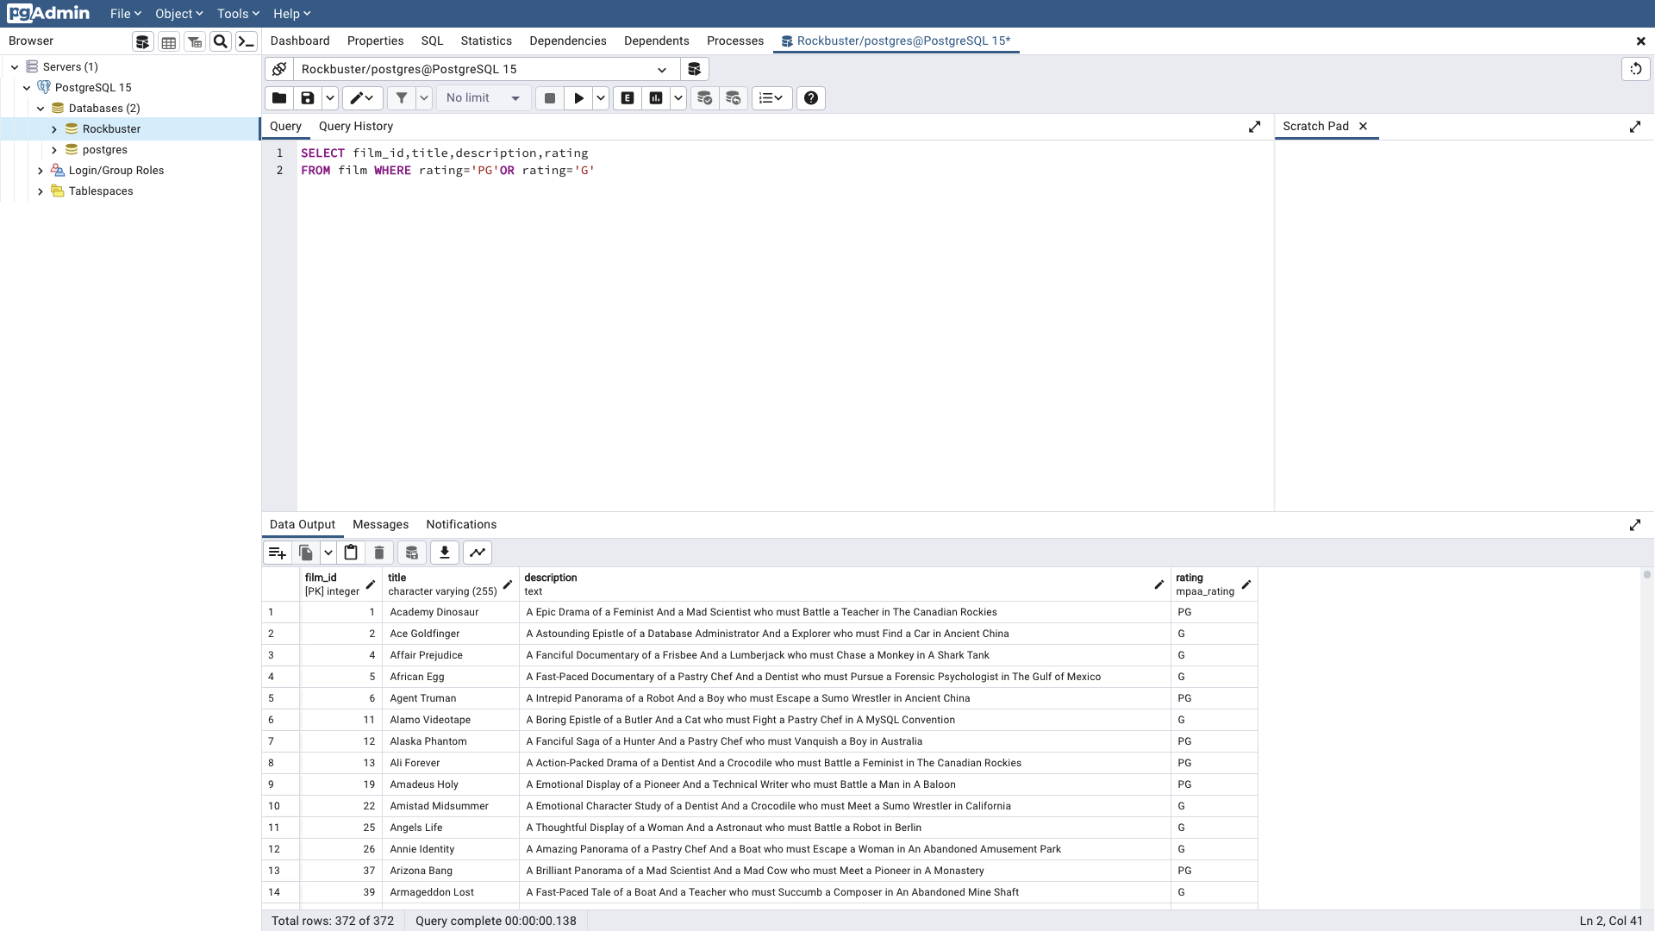
11 | Alamo Videotape | A Boring Epistle of a Butler And a Cat who must Fight a Pastry Chef in A MySQL Convention | G
12 | Alaska Phantom | A Fanciful Saga of a Hunter And a Pastry Chef who must Vanquish a Boy in Australia | PG
13 | Ali Forever | A Action-Packed Drama of a Dentist And a Crocodile who must Battle a Feminist in The Canadian Rockies | PG
19 | Amadeus Holy | A Emotional Display of a Pioneer And a Technical Writer who must Battle a Man in A Baloon | PG
22 | Amistad Midsummer | A Emotional Character Study of a Dentist And a Crocodile who must Meet a Sumo Wrestler in California | G
25 | Angels Life | A Thoughtful Display of a Woman And a Astronaut who must Battle a Robot in Berlin | G
26 | Annie Identity | A Amazing Panorama of a Pastry Chef And a Boat who must Escape a Woman in An Abandoned Amusement Park | G
37 | Arizona Bang | A Brilliant Panorama of a Mad Scientist And a Mad Cow who must Meet a Pioneer in A Monastery | PG
39 | Armageddon Lost | A Fast-Paced Tale of a Boat And a Teacher who must Succumb a Composer in An Abandoned Mine Shaft | G
41 | Arsenic Independence | A Fanciful Documentary of a Mad Cow And a Womanizer who must Find a Dentist in Berlin | PG
265 | Dying Maker | A Intrepid Tale of a Boat And a Monkey who must Kill a Cat in California | PG
43 | Atlantis Cause | A Thrilling Yarn of a Feminist And a Hunter who must Fight a Technical Writer in A Shark Tank | G
46 | Autumn Crow | A Beautiful Tale of a Dentist And a Mad Cow who must Battle a Moose in The Sahara Desert | G
50 | Baked Cleopatra | A Stunning Drama of a Forensic Psychologist And a Husband who must Overcome a Waitress in A Monastery | G
126 | Casualties Encino | A Insightful Yarn of a A Shark And a Pastry Chef who must Face a Boy in A Monastery | G
52 | Ballroom Mockingbird | A Thrilling Documentary of a Composer And a Monkey who must Find a Feminist in California | G
55 | Barbarella Streetcar | A Awe-Inspiring Story of a Feminist And a Cat who must Conquer a Dog in A Monastery | G
56 | Barefoot Manchurian | A Intrepid Story of a Cat And a Student who must Vanquish a Girl in An Abandoned Amusement Park | G
58 | Beach Heartbreakers | A Fateful Display of a Womanizer And a Mad Scientist who must Outgun a A Shark in Soviet Georgia | G
61 | Beauty Grease | A Fast-Paced Display of a Composer And a Moose who must Sink a Robot in An Abandoned Mine Shaft | G
63 | Bedazzled Married | A Astounding Character Study of a Madman And a Robot who must Meet a Mad Scientist in An Abandoned Fun House | PG
65 | Behavior Runaway | A Unbelieveable Drama of a Student And a Husband who must Outrace a Sumo Wrestler in Berlin | PG
72 | Bill Others | A Stunning Saga of a Mad Scientist And a Forensic Psychologist who must Challenge a Squirrel in A MySQL Convention | PG
74 | Birch Antitrust | A Fanciful Panorama of a Husband And a Pioneer who must Outgun a Dog in A Baloon | PG
75 | Bird Independence | A Thrilling Documentary of a Car And a Student who must Sink a Hunter in The Canadian Rockies | G
77 | Birds Perdition | A Boring Story of a Womanizer And a Pioneer who must Face a Dog in California | G
78 | Blackout Private | A Intrepid Yarn of a Pastry Chef And a Mad Scientist who must Challenge a Secret Agent in Ancient Japan | PG
80 | Blanket Beverly | A Emotional Documentary of a Student And a Girl who must Build a Boat in Nigeria | G
82 | Blood Argonauts | A Boring Drama of a Explorer And a Man who must Kill a Lumberjack in A Manhattan Penthouse | G
83 | Blues Instinct | A Insightful Documentary of a Boat And a Composer who must Meet a Forensic Psychologist in An Abandoned Fun House | G
84 | Boiled Dares | A Awe-Inspiring Story of a Waitress And a Dog who must Discover a Dentist in Ancient Japan | PG
85 | Bonnie Holocaust | A Fast-Paced Story of a Crocodile And a Robot who must Find a Moose in Ancient Japan | G
88 | Born Spinal | A Touching Epistle of a Frisbee And a Husband who must Pursue a Student in Nigeria | PG
89 | Borrowers Bedazzled | A Brilliant Epistle of a Teacher And a Sumo Wrestler who must Defeat a Man in An Abandoned Fun House | G
91 | Bound Cheaper | A Thrilling Panorama of a Database Administrator And a Astronaut who must Challenge a Lumberjack in A Baloon | PG
93 | Brannigan Sunrise | A Amazing Epistle of a Moose And a Crocodile who must Outrace a Dog in Berlin | PG
95 | Breakfast Goldfinger | A Beautiful Reflection of a Student And a Student who must Fight a Moose in Berlin | G
97 | Bride Intrigue | A Epic Tale of a Robot And a Monkey who must Vanquish a Man in New Orleans | G
99 | Bringing Hysterical | A Fateful Saga of a A Shark And a Technical Writer who must Find a Woman in A Jet Boat | PG
103 | Bucket Brotherhood | A Amazing Display of a Girl And a Womanizer who must Succumb a Lumberjack in A Baloon Factory | PG
104 | Bugsy Song | A Awe-Inspiring Character Study of a Secret Agent And a Boat who must Find a Squirrel in The First Manned Space Station | G
106 | Bulworth Commandments | A Amazing Display of a Mad Cow And a Pioneer who must Redeem a Sumo Wrestler in The Outback | G
...

3
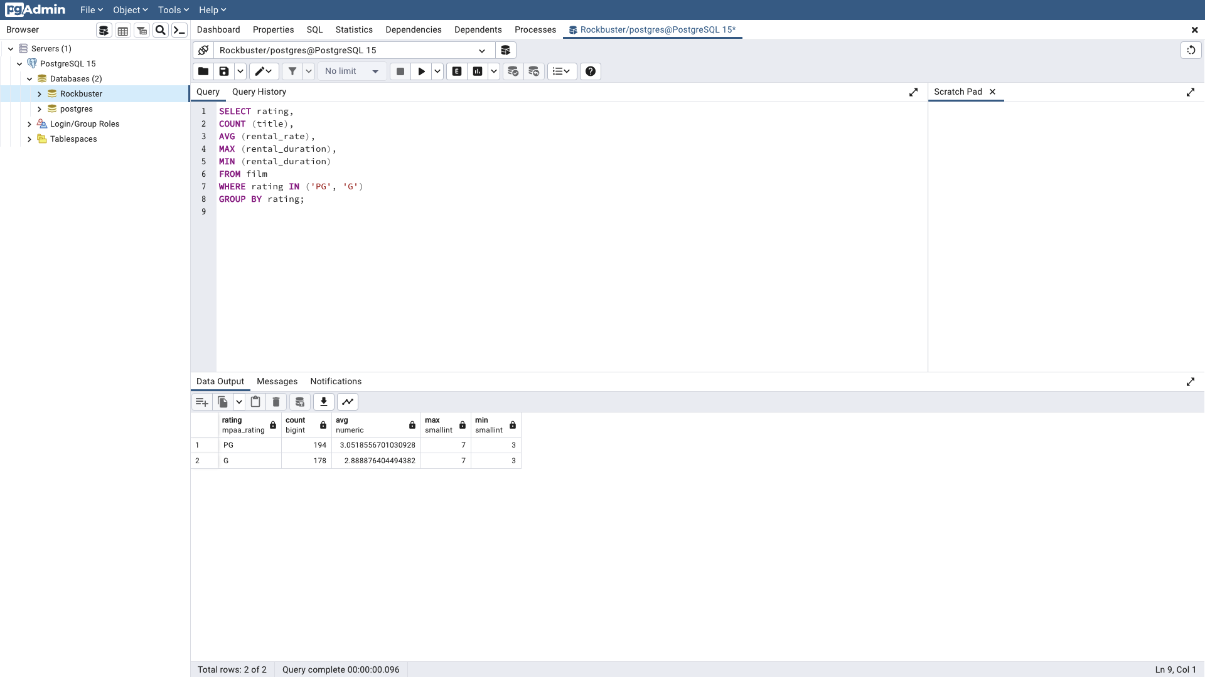
...
rating | count | avg | max | min | Query
 |  |  |  |  | AVG (rental_rate),
 |  |  |  |  | MAX (rental_duration),
 |  |  |  |  | MIN (rental_duration)
 |  |  |  |  | FROM film
 |  |  |  |  | WHERE rating IN ('PG', 'G')
 |  |  |  |  | GROUP BY rating;

4&5
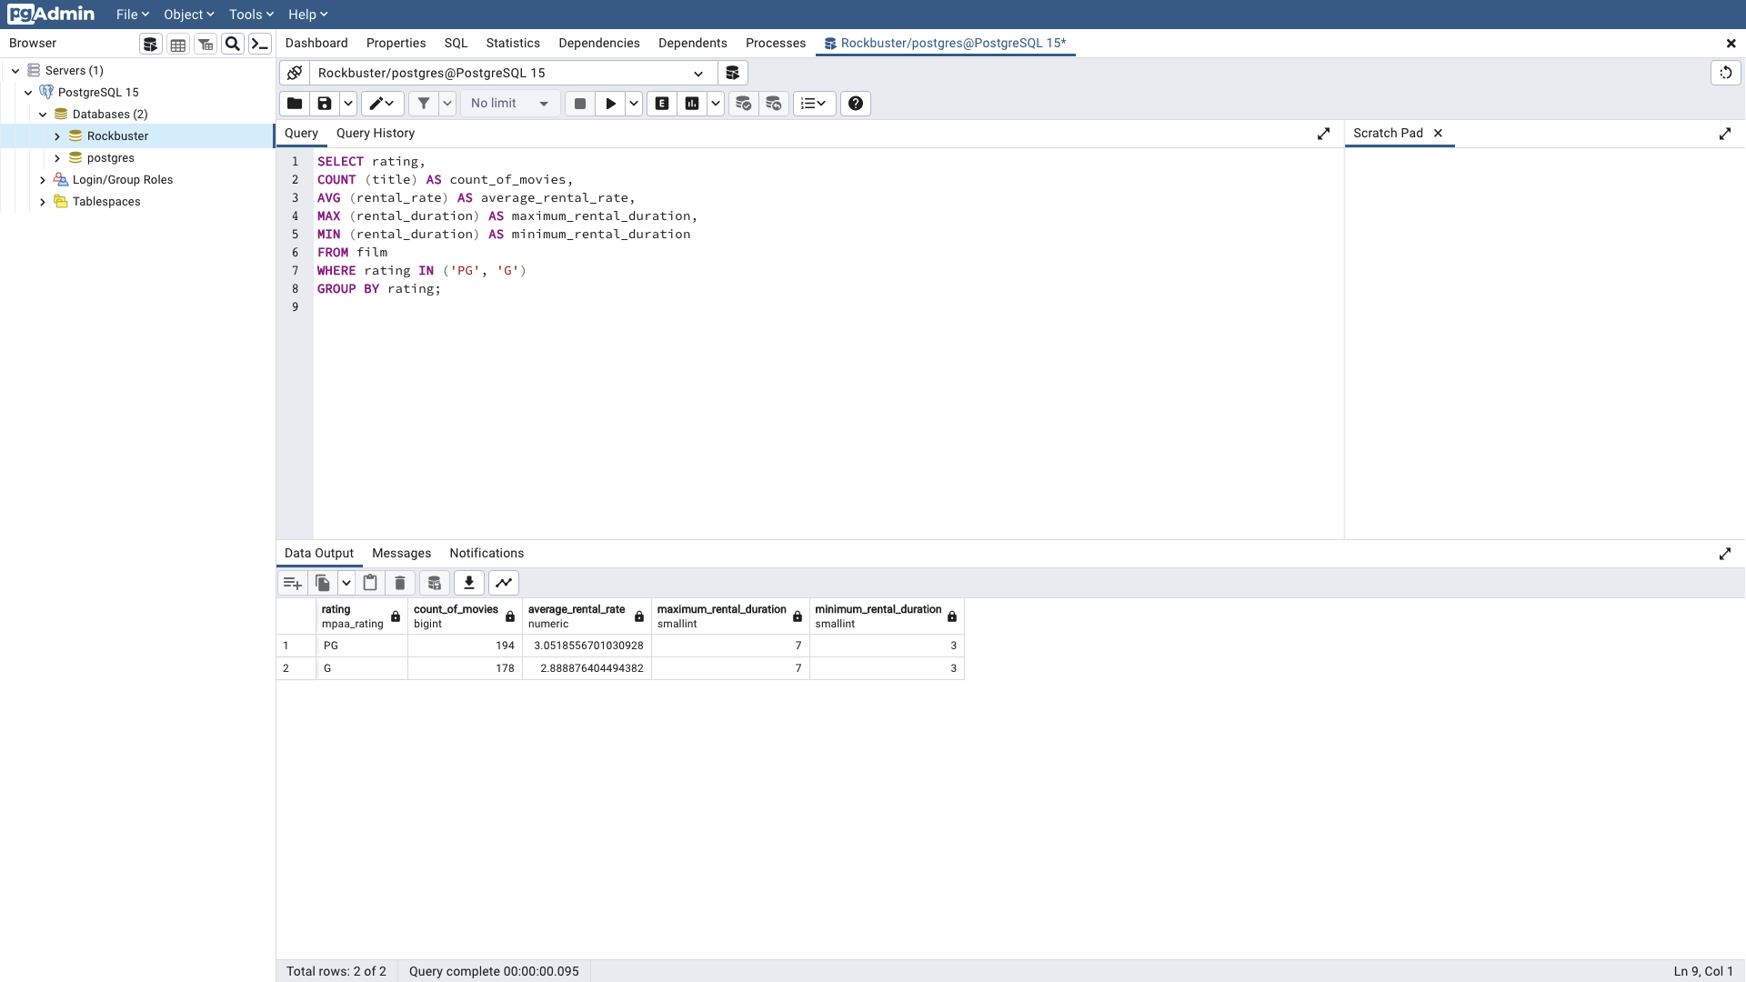
...
rating | count_of_movies | average_rental_rate | maximum_rental_duration | minimum_rental_duration | Query
G | 178 | 2.8888764045 | 7 | 3 | COUNT (title) AS count_of_movies,
 |  |  |  |  | AVG (rental_rate) AS average_rental_rate,
 |  |  |  |  | MAX (rental_duration) AS maximum_rental_duration,
 |  |  |  |  | MIN (rental_duration) AS minimum_rental_duration
 |  |  |  |  | FROM film
 |  |  |  |  | WHERE rating IN ('PG', 'G')
 |  |  |  |  | GROUP BY rating;

